Sheet1
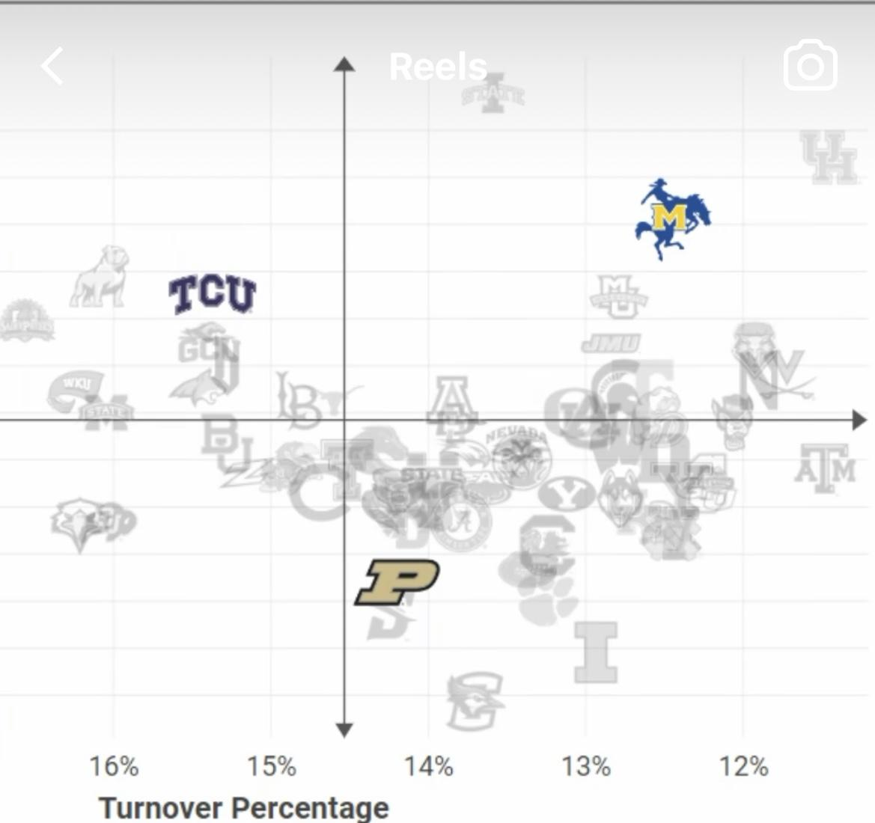
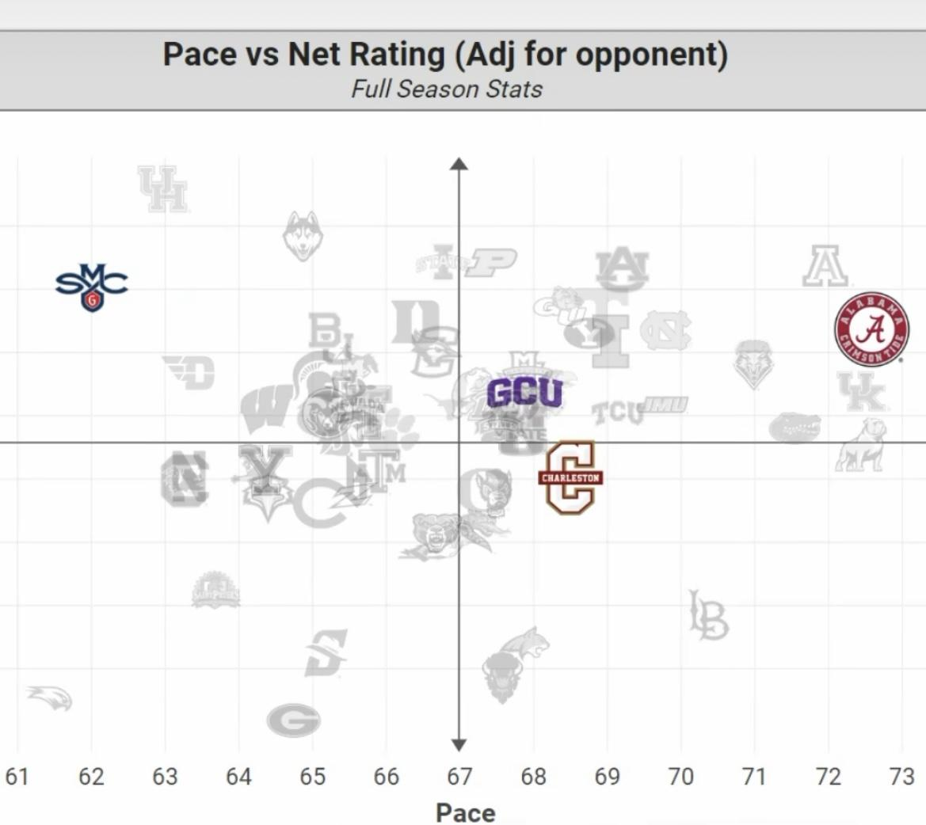
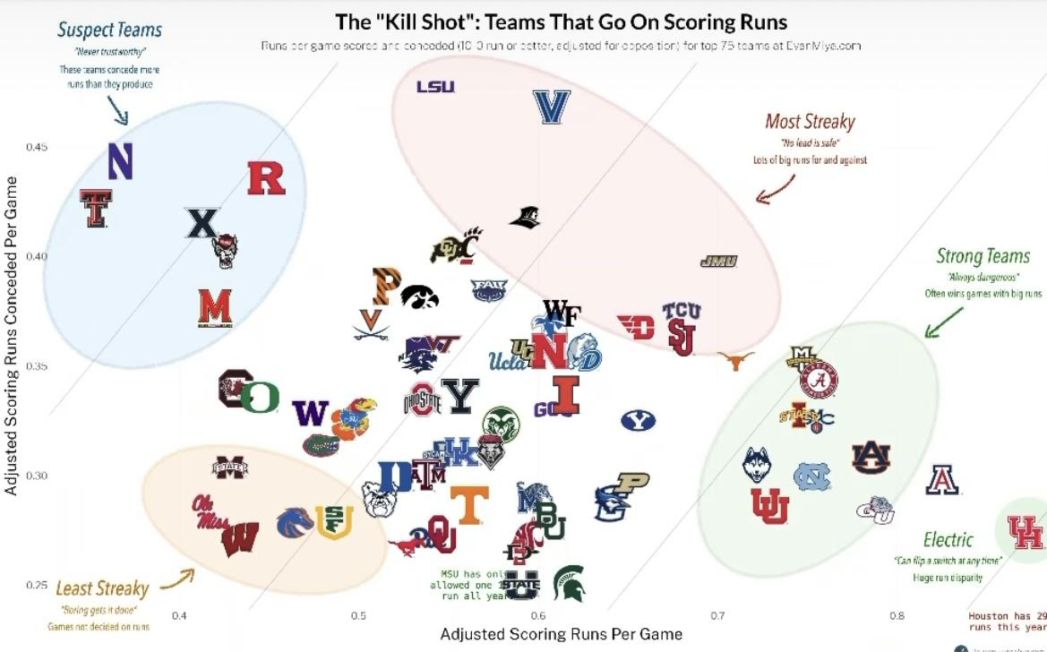
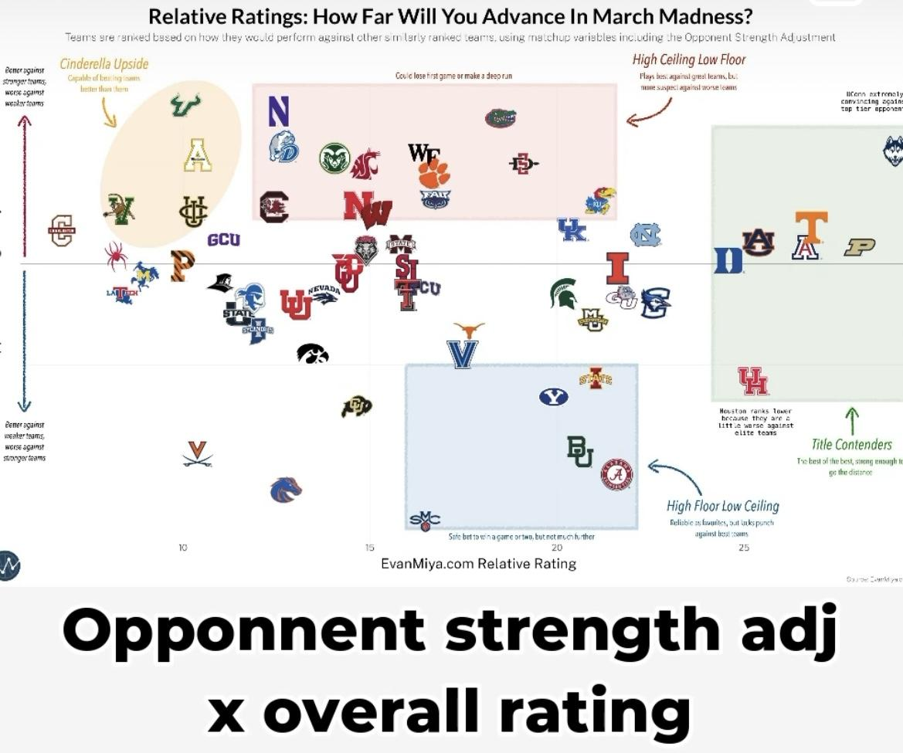
Caden Grussing | Bracket Info |  | Win-Loss |  |  | Conference Games |  |  |  |  |  |  |  | L10 | Top 25 Games |  |  |  |  |  | Season Difficulty |  | Rankings |  | General Scoring |  |  |  |  |  | Shooting Metrics |  |  |  |  |  |  |  |  |  | Rebounding Metrics |  |  |  |  |  |  |  |  | Effeciency |  |  |  | Defensive Metrics |  |  |  |  |  |  |  | Advanced Scoring Metrics |  |  |  |  |  |  |  |  |  | Miya Advanced Metrics |  |  |  |  |  |  |  |  |  |  |  |  |  | Quad Play |  |  |  |  |  |  |  |  |  |  |  |  |  |  |  |  | Silver Game% |  |  |  |  |  | ESPN People's % |  | Tournament Progression |  |  |  |  |  |  | Money Line Betting |  |  |  |  |  |  | Money Line Profit | Over / Under |  |  |  |  |  |  | Over / Under Profit
Team | S# | Reg. | W | L | W% | Conf | EMCS | rConf | CT | CW | CL | C% | wC | L10 | T25G | T25W | T25L | T25% | cgT25E | rcg25 | SOS | mSOS | NET | EoS25 | PPG | OPPG | PosPG | rPos | P/Pos | rPPos | 3PT% | r3PT | FG% | rFG | FT% | rFT | cgS% | rcgS | EFG% | TS% | OReb | rOReb | DReb | rDReb | TReb | rTReb | cgReb | rcgR | r-cg | OEff | DEff | AbsEff | cgEff | Ss | rS | Bs | rB | S+B | rSB | Foul | rF | FBP | PfTO | PiP | OFoul | rOF | As | TOs | A/TO | 2CP | BP% | ORate | rOR | Drate | rDR | D>OR | InjRank | Rating | rRat | Tempo | rTempo | KSPG | rKS | KSCPG | rKSC | QScore | Q1W | Q1L | Q2W | Q2L | Q3W | Q3L | Q4W | Q4L | Q1% | Q2% | Q3% | Q4% | wQ | wQ% | rwQ | rWQ% | 64 | 32 | 16 | 8 | 4 | 2 | 64 | 32 | 0 | 1 | 2 | 3 | 4 | 5 | 6 | 64 | 32 | 16 | 8 | 4 | 2 | T | 64 | 64 | 32 | 16 | 8 | 4 | 2 | T | 64
Houston | 1 | South | 30 | 4 | 88 | Big12 | 15.6 | 1 | 0 | 15 | 3 | 83 | 6.77 | 9 | 8 | 6 | 2 | 75 | 0.86 | 7 | 7 | 6 | 1 | 1 | 73 | 57 | 66.2 | 65 | 1.103 | 38 | 35 | 45 | 43 | 64 | 69 | 64 | 45.8 | 63 | 50 | 53 | 13.68 | 4 | 23.97 | 62 | 37.65 | 31 | 35.39 | 20 | 11 | 115.1 | 89.8 | 25.3 | 0.99 | 10 | 3 | 4.7 | 9 | 14.7 | 1 | 17.79 | 58 | 9.5 | 18.97 | 30.5 | 16 | 56 |  |  | 1.46 | 13.6 | 24 | 10.3 | 21 | 17.3 | 1 | 7 | 3 | 27.6 | 3 | 65.5 | 63 | 1.09 | 1 | 0.24 | 14 | 2.47 | 16 | 4 | 3 | 0 | 4 | 0 | 7 | 0 | 80.0 | 100.0 | 100.0 | 100.0 | 9.98 | 93.00 | 1 | 2 |  |  |  |  |  |  | 96 |  |  | 17 |  |  |  |  |  | -23.5 |  |  |  |  |  |  |  | 129.5
Gonzaga | 5 | MidW | 25 | 7 | 78 | WCC | 2.3 | 10 | 0 | 14 | 2 | 88 | 4.78 | 9 | 5 | 2 | 3 | 40 | 0.45 | 37 | 105 | 47 | 17 | 17 | 85.2 | 68.6 | 71.1 | 27 | 1.198 | 1 | 35 | 32 | 52 | 1 | 72 | 39 | 50.9 | 6 | 57 | 59 | 11.15 | 33 | 28.27 | 8 | 39.42 | 12 | 35.65 | 15 | -3 | 123.7 | 99.6 | 24.1 | 0.78 | 6.9 | 33 | 4.2 | 18 | 11.1 | 26 | 15.7 | 19 | 14.6 | 15.12 | 43.6 | 16.9 | 42 |  |  | 1.74 | 13.1 | 23 | 15.4 | 8 | 5.7 | 31 | -9.7 | 12 | 21.1 | 13 | 70.5 | 17 | 1.03 | 2 | 0.19 | 10 | 1.23 | 3 | 6 | 4 | 1 | 5 | 0 | 12 | 0 | 33.3 | 80.0 | 100.0 | 100.0 | 4.09 | 71.17 | 33 | 25 |  |  |  |  |  |  | 78 |  |  | 27 |  |  |  |  |  | -6.5 |  |  |  |  |  |  |  | 145.5
JMU | 12 | South | 31 | 3 | 91 | SunBelt | 1 | NA | 1 | 15 | 3 | 83 | 4.33 | 10 | 1 | 1 | 0 | 100 | 0.44 | 42 | 325 | 66 | 52 | NA | 84.4 | 69.2 | 73.8 | 9 | 1.144 | 14 | 36 | 25 | 48 | 23 | 71 | 46 | 49 | 28 | 55 | 58 | 11.59 | 25 | 27.26 | 19 | 38.85 | 16 | 35.40 | 18 | -2 | 122.3 | 100.3 | 22 | 0.54 | 9 | 6 | 3 | 52 | 12 | 15 | 17.18 | 45 | 11 | 17.85 | 38.5 | 17.5 | 31 |  |  | 1.52 | 12.1 | 29 | 8.5 | 28 | 5.3 | 37 | -3.2 | 34 | 13.8 | 35 | 71 | 11 | 0.94 | 3 | 0.34 | 44 | 1.03 | 1 | 1 | 0 | 1 | 7 | 1 | 22 | 0 | 50.0 | 0.0 | 87.5 | 100.0 | 3.91 | 52.19 | 37 | 52 |  |  |  |  |  |  | 32 |  |  | 19 |  |  |  |  |  | 5.5 |  |  |  |  |  |  |  | 143.5
Iowa St. | 2 | East | 27 | 7 | 79 | Big12 | 15.6 | 1 | 1 | 13 | 5 | 72 | 5.86 | 8 | 11 | 6 | 5 | 55 | 0.93 | 4 | 31 | 23 | 6 | 7 | 75.6 | 61.3 | 69.3 | 39 | 1.091 | 43 | 35 | 40 | 46 | 47 | 70 | 60 | 47.5 | 51 | 52 | 55 | 10.82 | 35 | 23.21 | 65 | 34.03 | 61 | 31.30 | 56 | 5 | 113.1 | 91.7 | 21.4 | 0.84 | 10.4 | 2 | 3.1 | 48 | 13.5 | 8 | 16.47 | 33 | 10.5 | 21 | 34.5 | 18.3 | 20 |  |  | 1.48 | 12 | 29 | 7.8 | 37 | 16.1 | 2 | 8.3 | 7 | 23.9 | 7 | 68.8 | 33 | 0.91 | 4 | 0.24 | 19 | 1.85 | 10 | 6 | 6 | 1 | 2 | 0 | 9 | 0 | 62.5 | 85.7 | 100.0 | 100.0 | 7.23 | 82.95 | 4 | 4 | 94.7 | 74.4 | 44 | 15 | 8.1 | 4.2 | 94 |  |  | 8 |  |  |  |  |  | -16.5 |  |  |  |  |  |  |  | 138.5
Connecticut | 1 | East | 31 | 3 | 91 | BigEast | 12.2 | 4 | 1 | 18 | 2 | 90 | 6.70 | 9 | 9 | 7 | 2 | 78 | 0.95 | 2 | 80 | 42 | 2 | 2 | 81.5 | 64.4 | 68.1 | 53 | 1.197 | 2 | 37 | 10 | 50 | 3 | 74 | 22 | 50.9 | 4 | 57 | 60 | 11.62 | 23 | 26.85 | 25 | 38.47 | 22 | 35.12 | 24 | -2 | 125.6 | 99.3 | 26.3 | 0.86 | 6.2 | 47 | 5.4 | 4 | 11.6 | 19 | 16.24 | 29 | 12.6 | 13.15 | 37.6 | 16.9 | 43 |  |  | 1.88 | 12.8 | 20 | 19.2 | 1 | 11.7 | 5 | -7.5 | 1 | 30.9 | 1 | 66.5 | 55 | 0.91 | 5 | 0.29 | 29 | 2.47 | 13 | 3 | 8 | 0 | 1 | 0 | 9 | 0 | 81.3 | 100.0 | 100.0 | 100.0 | 9.76 | 93.44 | 2 | 1 | 99.5 | 89.4 | 72.6 | 56.7 | 36.1 | 22.5 | 97 |  |  | 1 |  |  |  |  |  | -26.5 |  |  |  |  |  |  |  | 144
St. Mary's | 5 | West | 26 | 7 | 79 | WCC | 2.3 | 10 | 1 | 15 | 1 | 94 | 5.12 | 9 | 3 | 2 | 1 | 67 | 0.45 | 40 | 88 | 45 | 16 | 21 | 74.8 | 58.7 | 65.8 | 66 | 1.137 | 17 | 36 | 28 | 47 | 36 | 68 | 65 | 47.9 | 44 | 54 | 56 | 13.03 | 7 | 26.26 | 35 | 39.29 | 14 | 36.38 | 11 | 3 | 119.2 | 93.6 | 25.6 | 0.85 | 6.7 | 37 | 3.9 | 26 | 10.6 | 33 | 16.44 | 32 | 6.4 | 13.59 | 37.2 | 15.8 | 60 |  |  | 1.6 | 13.9 | 22 | 7.6 | 38 | 8.9 | 16 | 1.3 | 23 | 16.5 | 25 | 63.7 | 66 | 0.9 | 6 | 0.26 | 22 | 1.19 | 5 | 3 | 3 | 2 | 5 | 2 | 12 | 0 | 62.5 | 60.0 | 71.4 | 100.0 | 4.44 | 69.45 | 25 | 29 |  |  |  |  |  |  | 70 |  |  | 11 |  |  |  |  |  | -5.5 |  |  |  |  |  |  |  | 129
Arizona | 2 | West | 25 | 8 | 76 | Pac12 | 10.3 | 6 | 0 | 15 | 5 | 75 | 5.30 | 7 | 6 | 3 | 3 | 50 | 0.57 | 24 | 20 | 16 | 4 | 6 | 88.7 | 72 | 76.4 | 4 | 1.161 | D | 37 | 11 | 49 | 9 | 72 | 34 | 50 | 14 | 55 | 58 | 13.14 | 5 | 29.75 | 1 | 42.89 | 1 | 39.24 | 3 | -2 | 120 | 97.3 | 22.7 | 0.88 | 8.7 | 8 | 3.4 | 39 | 12.1 | 13 | 16.4 | 31 | 17.4 | 17.91 | 43.3 | 19.2 | 11 |  |  | 1.53 | 14.4 | 27 | 14.6 | 10 | 11.1 | 7 | -3.5 | 5 | 25.7 | 5 | 73.6 | 6 | 0.88 | 7 | 0.27 | 25 | 1.73 | 8 | 3 | 7 | 4 | 8 | 1 | 2 | 0 | 72.7 | 63.6 | 88.9 | 100.0 | 6.4 | 77.95 | 8 | 13 |  |  |  |  |  |  | 94 |  |  | 16 |  |  |  |  |  | -20.5 |  |  |  |  |  |  |  | 159.5 |  |  |  |  |  |  | 2.5
BYU | 6 | East | 23 | 10 | 70 | Big12 | 15.6 | 1 | 0 | 10 | 8 | 56 | 4.51 | 6 | 9 | 4 | 5 | 44 | 0.73 | 15 | 72 | 37 | 12 | 20 | 81.9 | 69.5 | 71.9 | 15 | 1.139 | 15 | 35 | 39 | 46 | 39 | 74 | 25 | 48.3 | 37 | 55 | 57 | 12.06 | 18 | 27.73 | 13 | 39.79 | 8 | 36.34 | 12 | -4 | 119.2 | 101.2 | 18 | 0.68 | 6.1 | 52 | 2.9 | 57 | 9 | 56 | 17.56 | 54 | 12.3 | 14.24 | 32.9 | 15.2 | 63 |  |  | 1.75 | 12.6 | 41 | 13 | 12 | 6.7 | 24 | -6.3 | 17 | 19.7 | 17 | 70.8 | 15 | 0.87 | 8 | 0.29 | 32 | 1.3 | 6 | 8 | 5 | 2 | 4 | 0 | 8 | 0 | 42.9 | 71.4 | 100.0 | 100.0 | 4.72 | 72.14 | 20 | 22 | 76.4 | 29.8 | 11.8 | 2.4 | 1.1 | 0.5 | 74 |  |  | 5 | X |  |  |  |  | -8.5 |  |  |  |  |  |  |  | 140.5 |  |  |  |  |  |  | 2.5
Auburn | 4 | East | 27 | 7 | 79 | SEC | 13.3 | 3 | 1 | 13 | 5 | 72 | 5.53 | 8 | 7 | 4 | 3 | 57 | 0.68 | 16 | 26 | 20 | 5 | 12 | 84.6 | 68.2 | 72.6 | 13 | 1.165 | 9 | 35 | 33 | 48 | 16 | 75 | 13 | 49.5 | 19 | 54 | 58 | 11.33 | 30 | 26.92 | 23 | 38.25 | 24 | 34.82 | 26 | -2 | 120.9 | 97.5 | 23.4 | 0.89 | 7.8 | 15 | 6.4 | 1 | 14.2 | 2 | 19.5 | 67 | 14.2 | 16.33 | 37.7 | 19 | 13 |  |  | 1.69 | 13.1 | 41 | 15.8 | 7 | 13.2 | 4 | -2.6 | 2 | 29 | 2 | 71 | 12 | 0.85 | 9 | 0.18 | 6 | 1.71 | 3 | 7 | 10 | 0 | 9 | 0 | 5 | 0 | 30.0 | 100.0 | 100.0 | 100.0 | 5.92 | 75.50 | 10 | 17 | 85.8 | 59.8 | 17.8 | 10.1 | 5.3 | 2.7 | 88 |  |  | 4 | X |  |  |  |  | -11.5 |  |  |  |  |  |  |  | 138
Marquette | 2 | South | 25 | 9 | 74 | BigEast | 12.2 | 4 | 0 | 14 | 6 | 70 | 5.21 | 6 | 9 | 4 | 5 | 44 | 0.73 | 14 | 23 | 18 | 13 | 10 | 78.3 | 69.7 | 70.9 | 30 | 1.104 | 36 | 36 | 22 | 48 | 20 | 72 | 36 | 49.2 | 22 | 55 | 57 | 8.76 | 58 | 24.03 | 60 | 32.79 | 65 | 29.43 | 64 | 1 | 114.9 | 102.3 | 12.6 | 0.61 | 8.6 | 9 | 3.2 | 42 | 11.8 | 18 | 15.35 | 15 | 13.1 | 18.32 | 38.8 | 14.6 | 65 |  |  | 1.59 | 8.3 | 20 | 12 | 14 | 9.1 | 13 | -2.9 | 16 | 21.1 | 12 | 70.6 | 16 | 0.85 | 10 | 0.29 | 31 | 1.71 | 9 | 8 | 6 | 1 | 4 | 0 | 6 | 0 | 52.9 | 85.7 | 100.0 | 100.0 | 6.49 | 79.60 | 6 | 8 |  |  |  |  |  |  | 93 |  |  | 24 |  |  |  |  |  | -14.5 |  |  |  |  |  |  |  | 158.5
Samford | 13 | MidW | 29 | 5 | 85 | Southern | 1 | NA | 1 | 15 | 3 | 83 | 4.33 | 8 | 1 | 0 | 1 | 0 | 0.05 | 54 | 181 | 54 | 74 | NA | 86 | 73.9 | 75.5 | 6 | 1.139 | 16 | 39 | 5 | 49 | 7 | 73 | 28 | 50.8 | 8 | 57 | 60 | 10.5 | 40 | 25.29 | 44 | 35.79 | 44 | 32.54 | 45 | -1 | 117.9 | 101.4 | 16.5 | 0.54 | 10 | 4 | 3.8 | 30 | 13.8 | 6 | 19.03 | 64 | 15.3 | 19.56 | 38.1 | 19.3 | 9 |  |  | 1.33 | 11.5 | 39 | 5.6 | 50 | 1.5 | 58 | -4.1 | 52 | 7.1 | 53 | 73.9 | 4 | 0.84 | 11 | 0.29 | 33 | 0.94 | 0 | 2 | 2 | 0 | 10 | 3 | 15 | 0 | 0.0 | 100.0 | 76.9 | 100.0 | 3.28 | 59.81 | 45 | 47 |  |  |  |  |  |  | 19 |  |  | 28 | X |  |  |  |  | 8.5 |  |  |  |  |  |  | 5 | 149.5 |  |  |  |  |  |  | 2.5
Creighton | 3 | MidW | 23 | 9 | 72 | BigEast | 12.2 | 4 | 0 | 14 | 6 | 70 | 5.21 | 7 | 5 | 3 | 2 | 60 | 0.56 | 28 | 49 | 30 | 11 | 8 | 81 | 69.1 | 70.5 | 32 | 1.149 | 12 | 36 | 20 | 49 | 4 | 78 | 2 | 50.9 | 3 | 58 | 60 | 8.58 | 59 | 29.75 | 2 | 38.33 | 23 | 33.67 | 33 | -10 | 119.2 | 101.7 | 17.5 | 0.70 | 3.9 | 68 | 4.2 | 20 | 8.1 | 66 | 11.21 | 1 | 9.9 | 9.42 | 31.7 | 14.7 | 64 |  |  | 1.63 | 10.4 | 15 | 13.7 | 11 | 7.8 | 19 | -5.9 | 11 | 21.5 | 10 | 68.6 | 36 | 0.84 | 12 | 0.31 | 37 | 1.53 | 8 | 5 | 7 | 4 | 1 | 0 | 7 | 0 | 61.5 | 63.6 | 100.0 | 100.0 | 5.6 | 76.54 | 12 | 15 |  |  |  |  |  |  | 90 |  |  | 30 |  |  |  |  |  | -12.5 |  |  |  |  |  |  | 5 | 140.5 |  |  |  |  |  |  | -2.5
Texas | 7 | MidW | 20 | 12 | 63 | Big12 | 15.6 | 1 | 0 | 9 | 9 | 50 | 4.06 | 5 | 11 | 3 | 8 | 27 | 0.73 | 13 | 33 | 25 | 30 | NA | 76.8 | 69.7 | 70.3 | 34 | 1.092 | 42 | 36 | 21 | 48 | 15 | 76 | 9 | 50 | 12 | 54 | 57 | 10.18 | 45 | 24.49 | 56 | 34.67 | 56 | 31.52 | 52 | 4 | 114.2 | 103.6 | 10.6 | 0.54 | 7.4 | 20 | 4.5 | 13 | 11.9 | 16 | 17.33 | 49 | 12.5 | 17.03 | 32.7 | 16.3 | 49 |  |  | 1.38 | 10.8 | 23 | 10.3 | 20 | 6.8 | 23 | -3.5 | 22 | 17.1 | 23 | 69.3 | 28 | 0.81 | 13 | 0.38 | 52 | 0.94 | 5 | 9 | 3 | 2 | 5 | 1 | 7 | 0 | 35.7 | 60.0 | 83.3 | 100.0 | 3.28 | 62.75 | 44 | 43 |  |  |  |  |  |  | 74 |  |  | 31
UNC | 1 | West | 27 | 7 | 79 | ACC | 10.7 | 5 | 0 | 17 | 3 | 85 | 6.07 | 8 | 8 | 6 | 2 | 75 | 0.86 | 8 | 14 | 12 | 8 | 4 | 82.5 | 69.7 | 73.5 | 10 | 1.122 | 24 | 36 | 30 | 45 | 51 | 75 | 12 | 48.3 | 36 | 52 | 56 | 12.31 | 16 | 29.43 | 3 | 41.74 | 5 | 37.97 | 5 | 0 | 117.4 | 99.2 | 18.2 | 0.77 | 5.8 | 58 | 4.2 | 19 | 10 | 40 | 16.69 | 38 | 13.1 | 13.66 | 34.8 | 18.8 | 17 |  |  | 1.42 | 12.4 | 22 | 11.6 | 16 | 10.5 | 9 | -1.1 | 9 | 22.1 | 9 | 71.5 | 10 | 0.79 | 14 | 0.24 | 20 | 1.85 | 9 | 3 | 7 | 4 | 6 | 0 | 5 | 0 | 75.0 | 63.6 | 100.0 | 100.0 | 7.14 | 81.25 | 5 | 6 |  |  |  |  |  |  | 97 |  |  | 9
McNesse St. | 12 | MidW | 30 | 3 | 91 | SoLand | 1 | NA | 1 | 17 | 1 | 94 | 4.91 | 10 | 0 | 0 | 0 | 0 | 0.00 | 66 | 288 | 65 | 56 | NA | 80.4 | 61.5 | 68 | 55 | 1.182 | 4 | 39 | 6 | 49 | 12 | 69 | 62 | 50 | 15 | 56 | 58 | 11.15 | 34 | 24.97 | 48 | 36.12 | 40 | 33.08 | 40 | 0 | 121.3 | 92.8 | 28.5 | 0.68 | 10.4 | 1 | 3.4 | 38 | 13.8 | 7 | 17.33 | 48 | 13.7 | 20.79 | 38.1 | 18.6 | 19 |  |  | 1.54 | 12.4 | 32 | 6.9 | 43 | 2.9 | 55 | -4 | 49 | 9.8 | 49 | 66.9 | 53 | 0.79 | 15 | 0.24 | 16 | 1 | 1 | 0 | 2 | 2 | 4 | 2 | 19 | 1 | 100.0 | 50.0 | 66.7 | 95.0 | 2.86 | 78.00 | 47 | 12 |  |  |  |  |  |  | 22 |  |  | 27 | X |  |  |  |  | 6.5 |  |  |  |  |  |  |  | 145.5
Alabama | 4 | West | 21 | 11 | 66 | SEC | 13.3 | 3 | 0 | 13 | 5 | 72 | 5.53 | 5 | 9 | 2 | 7 | 22 | 0.58 | 22 | 1 | 1 | 9 | 19 | 90.8 | 81.1 | 76.5 | 3 | 1.187 | 3 | 37 | 12 | 48 | 13 | 78 | 1 | 50.7 | 9 | 56 | 60 | 12.72 | 11 | 26.87 | 24 | 39.59 | 11 | 36.48 | 9 | 2 | 124.1 | 110.9 | 13.2 | 0.62 | 7.3 | 22 | 4.2 | 17 | 11.5 | 21 | 19.88 | 68 | 14.2 | 14.56 | 37.9 | 20 | 5 |  |  | 1.34 | 15.3 | 29 | 16.7 | 4 | 4.1 | 47 | -12.6 | 14 | 20.8 | 15 | 74.4 | 2 | 0.78 | 16 | 0.44 | 59 | 1.31 | 4 | 10 | 7 | 1 | 7 | 0 | 3 | 0 | 28.6 | 87.5 | 100.0 | 100.0 | 4.25 | 71.56 | 30 | 24 |  |  |  |  |  |  | 85 |  |  | 12 |  |  |  |  |  | -10.5 |  |  |  |  |  |  |  | 168.5
Dayton | 7 | West | 24 | 7 | 77 | A10 | 3.9 | 9 | 0 | 14 | 4 | 78 | 4.50 | 6 | 1 | 0 | 1 | 0 | 0.05 | 51 | 18 | 14 | 23 | 24 | 74.8 | 65.5 | 66.3 | 64 | 1.128 | 21 | 40 | 3 | 48 | 17 | 74 | 19 | 50.8 | 7 | 57 | 60 | 8.19 | 62 | 25.81 | 38 | 34 | 62 | 30.12 | 62 | 0 | 117.9 | 103.2 | 14.7 | 0.66 | 5.4 | 62 | 3.9 | 29 | 9.3 | 51 | 13.28 | 2 | 7.5 | 12.09 | 29.3 | 16.6 | 47 |  |  | 1.46 | 9.5 | 21 | 9.7 | 23 | 3.9 | 53 | -5.8 | 36 | 13.6 | 36 | 65.6 | 62 | 0.77 | 17 | 0.35 | 46 | 1.35 | 3 | 4 | 5 | 3 | 9 | 0 | 7 | 0 | 42.9 | 62.5 | 100.0 | 100.0 | 4.45 | 69.69 | 24 | 27 |  |  |  |  |  |  | 51 |  |  | 15 |  |  |  |  |  | 1.5 |  |  |  |  |  |  | 5 | 138.5 |  |  |  |  |  |  | 2.5
Drake | 10 | East | 28 | 6 | 82 | MizVal | 1 | NA | 1 | 16 | 4 | 80 | 4.16 | 9 | 0 | 0 | 0 | 0 | 0.00 | 56 | 48 | 29 | 47 | NA | 80.9 | 69.9 | 71.4 | 23 | 1.133 | 20 | 37 | 13 | 48 | 14 | 76 | 7 | 50.3 | 11 | 55 | 59 | 8.11 | 64 | 26.49 | 31 | 34.6 | 58 | 30.56 | 61 | -3 | 117.5 | 101.6 | 15.9 | 0.66 | 6.4 | 44 | 1.7 | 67 | 8.1 | 67 | 15.97 | 25 | 9.9 | 16.74 | 32.8 | 17.3 | 34 |  |  | 1.65 | 10 | 20 | 9.1 | 25 | 4.4 | 43 | -4.7 | 37 | 13.5 | 38 | 68.9 | 32 | 0.75 | 18 | 0.31 | 38 | 1.24 | 4 | 1 | 3 | 3 | 9 | 2 | 11 | 0 | 80.0 | 50.0 | 81.8 | 100.0 | 4.69 | 75.16 | 21 | 18 | 100 | 14.7 | 4.9 | 0.8 | 0.2 | 0.1 | 52 |  |  | 7 | X |  |  |  |  | 1.5 |  |  |  |  |  |  |  | 138.5
GCU | 12 | West | 29 | 4 | 88 | WAC | 1 | NA | 1 | 17 | 3 | 85 | 4.42 | 8 | 1 | 1 | 0 | 100 | 0.44 | 41 | 164 | 52 | 50 | NA | 80.5 | 66.3 | 71.7 | 21 | 1.123 | 23 | 35 | 36 | 47 | 27 | 75 | 14 | 49 | 25 | 53 | 58 | 11.88 | 20 | 26.71 | 27 | 38.59 | 20 | 35.33 | 22 | -2 | 116.8 | 96.2 | 20.6 | 0.65 | 8.3 | 10 | 5.5 | 3 | 13.8 | 5 | 17.91 | 59 | 11.6 | 17.82 | 34.6 | 20.3 | 4 |  |  | 1.03 | 12 | 24 | 5.7 | 49 | 6.3 | 26 | 0.6 | 41 | 12 | 42 | 69.9 | 23 | 0.74 | 19 | 0.26 | 23 | 1.12 | 1 | 0 | 2 | 2 | 11 | 2 | 14 | 0 | 100.0 | 50.0 | 84.6 | 100.0 | 4 | 82.79 | 34 | 5 |  |  |  |  |  |  | 30 |  |  | 11 |  |  |  |  |  | 5.5 |  |  |  |  |  |  |  | 129
TCU | 9 | MidW | 21 | 12 | 64 | Big12 | 15.6 | 1 | 0 | 9 | 9 | 50 | 4.06 | 5 | 11 | 4 | 7 | 36 | 0.80 | 10 | 85 | 44 | 42 | NA | 79.8 | 70.9 | 73.4 | 11 | 1.087 | 45 | 36 | 26 | 47 | 30 | 72 | 38 | 48.7 | 32 | 52 | 56 | 12.53 | 13 | 24.65 | 53 | 37.18 | 33 | 34.51 | 27 | 6 | 113.1 | 100.5 | 12.6 | 0.55 | 9.2 | 5 | 3.8 | 31 | 13 | 9 | 17.5 | 51 | 18.7 | 18.32 | 36.9 | 17.8 | 29 |  |  | 1.33 | 12.8 | 34 | 8.1 | 33 | 7.3 | 21 | -0.8 | 28 | 15.4 | 31 | 70.9 | 13 | 0.73 | 20 | 0.42 | 58 | 1.03 | 5 | 11 | 3 | 1 | 5 | 0 | 8 | 0 | 31.3 | 75.0 | 100.0 | 100.0 | 3.61 | 69.06 | 41 | 31 |  |  |  |  |  |  | 58 |  |  | 26 |  |  |  |  |  | -3.5 |  |  |  |  |  |  |  | 146.5
Oakland | 14 | South | 23 | 11 | 68 | Horizon | 1 | NA | 1 | 15 | 5 | 75 | 3.90 | 8 | 1 | 0 | 1 | 0 | 0.05 | 52 | 154 | 51 | 126 | NA | 76.5 | 72.9 | 68.5 | 45 | 1.117 | 28 | 35 | 41 | 45 | 50 | 76 | 11 | 48.2 | 38 | 52 | 55 | 10.58 | 36 | 25.23 | 46 | 35.81 | 43 | 32.59 | 44 | -1 | 112.8 | 107.5 | 5.3 | 0.33 | 6.7 | 39 | 2.9 | 56 | 9.6 | 49 | 14.89 | 11 | 7.8 | 13.08 | 32.3 | 15.8 | 61 |  |  | 1.29 | 11.3 | 26 | 2.8 | 54 | -1 | 64 | -3.8 | 61 | 1.8 | 61 | 68.2 | 41 | 0.71 | 21 | 0.47 | 61 | 0.35 | 1 | 5 | 1 | 0 | 7 | 6 | 14 | 0 | 16.7 | 100.0 | 53.8 | 100.0 | 1.5 | 60.45 | 55 | 46 |  |  |  |  |  |  | 8 |  |  | 22 |  |  |  |  |  | -12.5 |  |  |  |  |  |  |  | 160.5
West Kentucky | 15 | South | 22 | 11 | 67 | ConUSA | 1 | NA | 1 | 8 | 8 | 50 | 2.60 | 6 | 0 | 0 | 0 | 0 | 0.00 | 65 | 269 | 63 | 136 | NA | 80.6 | 74.1 | 77.3 | 1 | 1.043 | 61 | 34 | 47 | 47 | 31 | 72 | 40 | 48.1 | 40 | 52 | 55 | 10.52 | 39 | 29.3 | 4 | 39.82 | 7 | 35.69 | 14 | -7 | 108 | 99.3 | 8.7 | 0.35 | 7.7 | 17 | 3.2 | 43 | 10.9 | 29 | 18.48 | 62 | 13.7 | 17.12 | 40.6 | 18.1 | 24 |  |  | 0.97 | 10.5 | 36 | 1.1 | 60 | 3.9 | 51 | 2.8 | 56 | 5 | 56 | 75.7 | 1 | 0.7 | 22 | 0.4 | 55 | -0.33 | 0 | 0 | 1 | 0 | 6 | 7 | 12 | 4 | 0.0 | 100.0 | 46.2 | 75.0 | -0.38 | 49.13 | 59 | 53 |  |  |  |  |  |  | 7 |  |  | 24 | X |  |  |  |  | 14.5 |  |  |  |  |  |  |  | 158.5
Nebraska | 8 | South | 23 | 10 | 70 | Big10 | 13.5 | 2 | 0 | 12 | 8 | 60 | 4.62 | 7 | 6 | 2 | 4 | 33 | 0.48 | 33 | 68 | 35 | 33 | NA | 77.8 | 69.6 | 71.5 | 22 | 1.088 | 44 | 35 | 43 | 45 | 53 | 75 | 16 | 48 | 43 | 53 | 57 | 9.53 | 54 | 28.5 | 6 | 38.03 | 27 | 33.86 | 32 | -5 | 113 | 101.1 | 11.9 | 0.55 | 6.5 | 42 | 2.6 | 61 | 9.1 | 55 | 15.59 | 18 | 9.8 | 12.38 | 30.2 | 16.1 | 55 |  |  | 1.39 | 9.3 | 29 | 8.3 | 31 | 7.5 | 20 | -0.8 | 29 | 15.8 | 29 | 70.1 | 21 | 0.7 | 23 | 0.3 | 35 | 1.18 | 4 | 7 | 5 | 3 | 7 | 0 | 7 | 0 | 36.4 | 62.5 | 100.0 | 100.0 | 4.13 | 67.41 | 32 | 36 |  |  |  |  |  |  | 47 |  |  | 18 | X |  |  |  |  | -3 |  |  |  |  |  |  |  | 143.5
Colgate | 14 | West | 25 | 9 | 74 | Patriot | 1 | NA | 1 | 16 | 2 | 89 | 4.62 | 9 | 2 | 0 | 2 | 0 | 0.10 | 50 | 276 | 64 | 125 | NA | 71.1 | 63.5 | 67.4 | 58 | 1.055 | 59 | 36 | 19 | 47 | 35 | 69 | 63 | 48.1 | 41 | 54 | 56 | 8.06 | 65 | 27.65 | 14 | 35.71 | 45 | 31.40 | 55 | -10 | 108.6 | 97.1 | 11.5 | 0.40 | 6.3 | 45 | 3.5 | 37 | 9.8 | 45 | 13.37 | 3 | 8.9 | 13.4 | 32.2 | 14.4 | 66 |  |  | 1.4 | 8.2 | 34 | 1.3 | 57 | 3.5 | 54 | 2.2 | 57 | 4.8 | 58 | 67.8 | 44 | 0.7 | 24 | 0.39 | 54 | 0.15 | 0 | 2 | 1 | 3 | 2 | 1 | 21 | 3 | 0.0 | 25.0 | 66.7 | 87.5 | 1.01 | 35.00 | 57 | 60 |  |  |  |  |  |  | 8 |  |  | 14 | X |  |  |  |  | 12.5 |  |  |  |  |  |  |  | 137.5
SoDak St. | 15 | East | 22 | 12 | 65 | Summit | 1 | NA | 1 | 12 | 4 | 75 | 3.90 | 9 | 0 | 0 | 0 | 0 | 0.00 | 61 | 235 | 57 | 135 | NA | 76.9 | 70.8 | 67.7 | 57 | 1.136 | 18 | 36 | 24 | 48 | 22 | 71 | 45 | 49 | 27 | 56 | 58 | 8.29 | 61 | 27.36 | 18 | 35.65 | 47 | 31.45 | 54 | -7 | 119.9 | 110.6 | 9.3 | 0.36 | 6.2 | 49 | 3.2 | 46 | 9.4 | 50 | 14.35 | 7 | 7.6 | 14.15 | 35.2 | 16.7 | 46 |  |  | 1.14 | 9.5 | 20 | 3.7 | 53 | 1.1 | 59 | -2.6 | 58 | 4.8 | 57 | 69.3 | 29 | 0.69 | 25 | 0.31 | 39 | -0.35 | 0 | 1 | 0 | 2 | 7 | 4 | 12 | 5 | 0.0 | 0.0 | 63.6 | 70.6 | -0.54 | 24.91 | 60 | 64 | 100 | 1.2 | 0.2 | 0 | 0 | 0 | 6 |  |  | 8 | X |  |  |  |  | 16.5 |  |  |  |  |  |  |  | 138.5
Colorado | 10 | South | 24 | 10 | 71 | Pac12 | 10.3 | 6 | 0 | 13 | 7 | 65 | 4.59 | 8 | 5 | 2 | 3 | 40 | 0.45 | 34 | 45 | 28 |  | NA | 79.3 |  | 71.4 | 24 | 1.111 | 31 | 39 | 4 | 49 | 5 | 77 | 5 | 51.6 | 2 |  |  | 10.3 | 44 | 27.4 | 17 | 37.7 | 30 | 33.94 | 30 | 0 |  |  | 0 | 0.55 | 6.1 | 53 | 2.1 | 66 | 8.2 | 64 | 14.7 | 9 |  |  |  | 17.9 | 28 |  |  |  |  |  | 10.1 | 22 | 5.7 | 29 | -4.4 | 27 | 15.8 | 30 | 69.2 | 30 | 0.67 | 26 | 0.42 | 56 | 1.18 | 4 | 5 | 6 | 5 | 7 | 0 | 7 | 0 | 44.4 | 54.5 | 100.0 | 100.0 | 4.29 | 68.06 | 29 | 34 |  |  |  |  |  |  | 28 |  | 3 | 23
Purdue | 1 | MidW | 29 | 4 | 88 | Big10 | 13.5 | 2 | 0 | 17 | 3 | 85 | 6.55 | 8 | 7 | 7 | 0 | 100 | 0.93 | 3 | 2 | 2 | 3 | 3 | 83.8 | 69.6 | 70.9 | 29 | 1.182 | 5 | 40 | 2 | 49 | 8 | 72 | 33 | 50.9 | 5 | 56 | 59 | 12.29 | 17 | 28.45 | 7 | 40.74 | 6 | 37.18 | 6 | 0 | 122.4 | 101.6 | 20.8 | 0.85 | 5.8 | 59 | 3.9 | 28 | 9.7 | 47 | 14.21 | 6 | 7.4 | 10.35 | 35.3 | 20.7 | 2 |  |  | 1.62 | 14.3 | 22 | 18 | 2 | 9.1 | 14 | -8.9 | 4 | 27.1 | 4 | 68.8 | 34 | 0.67 | 27 | 0.18 | 5 | 2.52 | 12 | 4 | 8 | 0 | 6 | 0 | 3 | 0 | 75.0 | 100.0 | 100.0 | 100.0 | 9.4 | 91.25 | 3 | 3 |  |  |  |  |  |  | 97 |  |  | 25
FAU | 8 | East | 25 | 8 | 76 | AmAth | 4 | 8 | 0 | 14 | 4 | 78 | 4.51 | 7 | 3 | 2 | 1 | 67 | 0.45 | 38 | 67 | 34 | 39 | NA | 82.6 | 73.3 | 72.1 | 14 | 1.146 | 13 | 36 | 23 | 48 | 21 | 72 | 37 | 49.2 | 23 | 55 | 58 | 11.73 | 21 | 26.33 | 33 | 38.06 | 26 | 34.85 | 25 | 1 | 119.4 | 106 | 13.4 | 0.57 | 7.1 | 29 | 3 | 53 | 10.1 | 39 | 16.03 | 27 | 13.3 | 14.3 | 38.2 | 18.1 | 25 |  |  | 1.35 | 12.8 | 25 | 12.4 | 13 | 4 | 50 | -8.4 | 24 | 16.4 | 27 | 69.7 | 25 | 0.66 | 28 | 0.34 | 42 | 1.09 | 2 | 2 | 8 | 3 | 8 | 1 | 7 | 2 | 50.0 | 72.7 | 88.9 | 77.8 | 3.97 | 69.17 | 35 | 30 | 65.5 | 8.2 | 3.5 | 1.4 | 0.5 | 0.2 | 54 |  |  | 2 | X |  |  |  |  | -1.5 |  |  |  |  |  |  |  | 140.5
SD St. | 5 | East | 24 | 10 | 71 | MtnWest | 6.5 | 7 | 0 | 11 | 7 | 61 | 3.85 | 6 | 3 | 3 | 0 | 100 | 0.60 | 20 | 3 | 3 | 21 | NA | 74.8 | 66.1 | 69.9 | 36 | 1.070 | 54 | 31 | 67 | 44 | 59 | 73 | 32 | 45.9 | 62 | 50 | 54 | 11.89 | 19 | 26.62 | 28 | 38.51 | 21 | 35.27 | 23 | -2 | 111.5 | 98.6 | 12.9 | 0.65 | 7.3 | 23 | 4.1 | 21 | 11.4 | 23 | 17.54 | 53 | 8.8 | 15.46 | 30.1 | 19 | 14 |  |  | 1.17 | 11.8 | 25 | 6.7 | 45 | 10.7 | 8 | 4 | 20 | 17.4 | 21 | 67.6 | 48 | 0.66 | 29 | 0.16 | 3 | 1.28 | 4 | 9 | 6 | 1 | 6 | 0 | 6 | 0 | 30.8 | 85.7 | 100.0 | 100.0 | 4.25 | 71.84 | 31 | 23 | 78.1 | 31.5 | 4.5 | 1.6 | 0.7 | 0.3 | 79 |  |  | 3 |  |  |  |  |  | -8.5 |  |  |  |  |  |  |  | 134.5
Baylor | 3 | West | 23 | 10 | 70 | Big12 | 15.6 | 1 | 0 | 11 | 7 | 61 | 4.96 | 6 | 10 | 5 | 5 | 50 | 0.83 | 9 | 8 | 7 | 14 | 14 | 80.6 | 71.2 | 69.9 | 35 | 1.153 | 11 | 39 | 7 | 48 | 18 | 74 | 20 | 50.5 | 10 | 56 | 59 | 11.42 | 28 | 23.82 | 63 | 35.24 | 50 | 32.51 | 46 | 4 | 120.3 | 106.4 | 13.9 | 0.65 | 6.7 | 38 | 3.2 | 44 | 9.9 | 42 | 16.55 | 35 | 8.7 | 14.79 | 33.5 | 19.3 | 10 |  |  | 1.23 | 12.3 | 25 | 16 | 6 | 4.4 | 44 | -11.6 | 15 | 20.4 | 16 | 67.1 | 51 | 0.66 | 30 | 0.28 | 26 | 1.62 | 10 | 9 | 3 | 1 | 4 | 0 | 5 | 0 | 52.6 | 75.0 | 100.0 | 100.0 | 5.83 | 76.55 | 11 | 14 |  |  |  |  |  |  | 92 |  |  | 14 |  |  |  |  |  | -12.5 |  |  |  |  |  |  |  | 137.5
Yale | 13 | East | 22 | 9 | 71 | Ivy | 1 | NA | 1 | 11 | 3 | 79 | 4.09 | 7 | 2 | 0 | 2 | 0 | 0.10 | 48 | 76 | 39 | 81 | NA | 75.2 | 66.6 | 68.2 | 51 | 1.103 | 39 | 35 | 38 | 47 | 33 | 71 | 48 | 48.2 | 39 | 53 | 55 | 10.06 | 47 | 27.04 | 21 | 37.1 | 34 | 33.36 | 35 | -1 | 114.1 | 101.1 | 13 | 0.56 | 6 | 54 | 3.3 | 41 | 9.3 | 52 | 15.03 | 12 | 9.3 | 12.74 | 37.7 | 15.9 | 57 |  |  | 1.61 | 10.6 | 20 | 5.6 | 51 | 5.3 | 36 | -0.3 | 45 | 10.9 | 47 | 66.5 | 56 | 0.66 | 31 | 0.31 | 36 | 0.52 | 0 | 3 | 3 | 2 | 10 | 2 | 7 | 2 | 0.0 | 60.0 | 83.3 | 77.8 | 1.66 | 46.92 | 54 | 55 | 100 | 4.7 | 0.5 | 0.2 | 0 | 0 | 12 |  |  | 4 |  |  |  |  |  | 11.5 |  |  |  |  |  |  |  | 138
Illinois | 3 | East | 26 | 8 | 76 | Big10 | 13.5 | 2 | 1 | 14 | 6 | 70 | 5.39 | 8 | 5 | 1 | 4 | 20 | 0.35 | 44 | 22 | 17 | 15 | 13 | 85.2 | 73.6 | 72.7 | 12 | 1.172 | 6 | 35 | 37 | 47 | 28 | 74 | 24 | 48.8 | 30 | 54 | 58 | 13.14 | 6 | 28.61 | 5 | 41.75 | 4 | 38.35 | 4 | 0 | 121.9 | 105.2 | 16.7 | 0.70 | 4.4 | 67 | 3.8 | 32 | 8.2 | 60 | 15.22 | 14 | 11.6 | 11.58 | 38.5 | 18.7 | 18 |  |  | 1.21 | 14.9 | 24 | 17.1 | 3 | 4.4 | 45 | -12.7 | 10 | 21.5 | 11 | 70.9 | 14 | 0.65 | 32 | 0.26 | 24 | 1.71 | 8 | 6 | 6 | 1 | 7 | 1 | 5 | 0 | 57.1 | 85.7 | 87.5 | 100.0 | 6.47 | 78.26 | 7 | 11 | 91.8 | 63.9 | 34.6 | 11 | 5.4 | 2.6 | 89 |  |  | 6 |  |  |  |  |  | -13.5 |  |  |  |  |  |  |  | 148
Wash St. | 7 | East | 24 | 9 | 73 | Pac12 | 10.3 | 6 | 0 | 14 | 6 | 70 | 4.94 | 7 | 2 | 2 | 0 | 100 | 0.52 | 31 | 95 | 46 | 44 | 22 | 74.3 | 66.9 | 68.8 | 43 | 1.080 | 52 | 34 | 48 | 47 | 34 | 70 | 61 | 47.7 | 47 | 52 | 55 | 11.21 | 31 | 26.49 | 30 | 37.7 | 29 | 34.34 | 28 | 1 | 112.8 | 101.5 | 11.3 | 0.51 | 5.2 | 63 | 4.9 | 8 | 10.1 | 38 | 16.76 | 41 | 8.1 | 11.85 | 35.2 | 17 | 41 |  |  | 1.16 | 12.3 | 25 | 6.2 | 48 | 7.8 | 18 | 1.6 | 33 | 14 | 34 | 66.8 | 54 | 0.64 | 33 | 0.24 | 15 | 1.21 | 6 | 4 | 3 | 4 | 7 | 1 | 8 | 0 | 60.0 | 42.9 | 87.5 | 100.0 | 4.58 | 67.47 | 22 | 35 | 43.8 | 9.6 | 3.1 | 0.5 | 0.2 | 0.1 | 48 |  |  | 7 |  |  |  |  |  | -1.5 |  |  |  |  |  |  |  | 138.5
Kentucky | 3 | South | 23 | 9 | 72 | SEC | 13.3 | 3 | 0 | 13 | 5 | 72 | 5.53 | 7 | 7 | 5 | 2 | 71 | 0.76 | 12 | 65 | 33 | 19 | 9 | 89.7 | 78.9 | 76.9 | 2 | 1.166 | 7 | 41 | 1 | 50 | 2 | 77 | 4 | 52.7 | 1 | 58 | 61 | 9.97 | 48 | 27.85 | 11 | 37.82 | 28 | 33.89 | 31 | -3 | 122.4 | 107.6 | 14.8 | 0.60 | 7.8 | 16 | 6.2 | 2 | 14 | 4 | 17.33 | 47 | 16.3 | 15.55 | 37.1 | 17 | 40 |  |  | 1.69 | 12.7 | 36 | 16.7 | 5 | 4.2 | 46 | -12.5 | 13 | 20.9 | 14 | 73.7 | 5 | 0.63 | 34 | 0.28 | 28 | 1.28 | 6 | 7 | 2 | 1 | 8 | 1 | 7 | 0 | 46.2 | 66.7 | 88.9 | 100.0 | 4.57 | 69.49 | 23 | 28 |  |  |  |  |  |  | 92 |  |  | 22 | X |  |  |  |  | -12.5 |  |  |  |  |  |  |  | 160.5
Colorado St. | 10 | MidW | 24 | 10 | 71 | MtnWest | 6.5 | 7 | 0 | 10 | 8 | 56 | 3.50 | 5 | 2 | 2 | 0 | 100 | 0.52 | 29 | 12 | 11 |  | NA | 75.1 |  | 68.1 | 54 | 1.103 | 37 | 34 | 46 | 49 | 6 | 75 | 17 | 49.7 | 17 |  |  | 7.9 | 66 | 25 | 47 | 32.9 | 63 | 29.14 | 66 | -3 |  |  | 0 | 0.58 | 6.6 | 41 | 3.2 | 45 | 9.8 | 46 | 17.3 | 46 |  |  |  | 17.1 | 39 |  |  |  |  |  | 8 | 34 | 5.4 | 34 | -2.6 | 39 | 13.4 | 39 | 67.7 | 47 | 0.63 | 35 | 0.28 | 27 | 1.22 | 6 | 7 | 3 | 2 | 7 | 1 | 6 | 0 | 46.2 | 60.0 | 87.5 | 100.0 | 4.34 | 67.34 | 27 | 37 |  |  |  |  |  |  | 26 |  | 2 | 31 | X
Mich St. | 9 | West | 19 | 14 | 58 | Big10 | 13.5 | 2 | 0 | 10 | 10 | 50 | 3.85 | 5 | 9 | 2 | 7 | 22 | 0.58 | 23 | 10 | 9 | 24 | NA | 73.9 | 65.9 | 68.4 | 49 | 1.080 | 50 | 36 | 29 | 46 | 46 | 70 | 59 | 47.8 | 46 | 52 | 55 | 10.31 | 43 | 24.75 | 51 | 35.06 | 54 | 31.88 | 49 | 5 | 112.3 | 100.2 | 12.1 | 0.62 | 7.5 | 19 | 4 | 23 | 11.5 | 22 | 16.71 | 40 | 15 | 15.14 | 33.7 | 17.1 | 37 |  |  | 1.66 | 11 | 25 | 8.4 | 30 | 11.1 | 6 | 2.7 | 18 | 19.5 | 18 | 67 | 52 | 0.63 | 36 | 0.13 | 2 | 0.82 | 3 | 9 | 6 | 5 | 6 | 0 | 4 | 0 | 25.0 | 54.5 | 100.0 | 100.0 | 2.67 | 61.25 | 51 | 45 |  |  |  |  |  |  | 61 |  |  | 10 |  |  |  |  |  | -1.5 |  |  |  |  |  |  | 5 | 127.5 |  |  |  |  |  |  | 2.5
New Mexico | 11 | West | 26 | 9 | 74 | MtnWest | 6.5 | 7 | 1 | 10 | 8 | 56 | 3.50 | 6 | 6 | 3 | 3 | 50 | 0.57 | 25 | 27 | 21 | 22 | NA | 81.9 | 70.4 | 74.3 | 8 | 1.102 | 40 | 33 | 59 | 46 | 45 | 71 | 53 | 47.1 | 55 | 51 | 54 | 12.73 | 10 | 27.03 | 22 | 39.76 | 9 | 36.61 | 8 | 1 | 114.8 | 98.8 | 16 | 0.70 | 8.9 | 7 | 5.2 | 6 | 14.1 | 3 | 17.62 | 55 | 14.9 | 17 | 40.9 | 18 | 27 |  |  | 1.49 | 12.6 | 23 | 8.8 | 26 | 8.4 | 17 | -0.4 | 21 | 17.2 | 22 | 74.1 | 3 | 0.62 | 37 | 0.18 | 7 | 1.12 | 5 | 6 | 3 | 1 | 7 | 1 | 10 | 1 | 45.5 | 75.0 | 87.5 | 90.9 | 4.33 | 69.86 | 28 | 26 |  |  |  |  |  |  | 47 |  |  | 13 | X |  |  |  |  | -1.5 |  |  |  |  |  |  |  | 147.5
Utah St. | 8 | MidW | 27 | 6 | 82 | MtnWest | 6.5 | 7 | 0 | 14 | 4 | 78 | 4.90 | 8 | 2 | 2 | 0 | 100 | 0.52 | 30 | 62 | 32 | 38 | 18 | 79.6 | 70.1 | 71.8 | 18 | 1.109 | 33 | 33 | 57 | 49 | 11 | 71 | 52 | 48.6 | 33 | 55 | 58 | 9.79 | 51 | 26.5 | 29 | 36.29 | 39 | 32.61 | 43 | -4 | 115.6 | 101.8 | 13.8 | 0.59 | 6.9 | 34 | 4.1 | 22 | 11 | 28 | 17.06 | 43 | 11.1 | 14.24 | 38.9 | 19 | 12 |  |  | 1.47 | 10.9 | 23 | 6.9 | 44 | 4 | 49 | -2.9 | 46 | 10.9 | 46 | 70.5 | 18 | 0.61 | 38 | 0.1 | 1 | 1.45 | 4 | 5 | 4 | 1 | 7 | 0 | 10 | 0 | 44.4 | 80.0 | 100.0 | 100.0 | 4.89 | 75.06 | 17 | 19 |  |  |  |  |  |  | 42 |  |  | 26 |  |  |  |  |  | 3.5 |  |  |  |  |  |  |  | 146.5
UAB | 12 | East | 23 | 11 | 68 | AmAth | 4 | 8 | 1 | 12 | 6 | 67 | 3.87 | 7 | 3 | 2 | 1 | 67 | 0.45 | 39 | 78 | 40 | 105 | NA | 77.8 | 75.2 | 71.8 | 19 | 1.084 | 48 | 33 | 60 | 45 | 54 | 75 | 18 | 47.4 | 52 | 50 | 55 | 12.85 | 9 | 25.27 | 45 | 38.12 | 25 | 35.39 | 19 | 6 | 113.7 | 109.9 | 3.8 | 0.33 | 6.7 | 36 | 4.6 | 12 | 11.3 | 24 | 15.79 | 21 | 12.9 | 14.71 | 35.1 | 18.8 | 16 |  |  | 1.18 | 14.2 | 29 | 6.3 | 47 | -0.1 | 62 | -6.4 | 54 | 6.2 | 54 | 69.9 | 24 | 0.61 | 39 | 0.34 | 43 | 0.64 | 0 | 4 | 7 | 3 | 9 | 2 | 6 | 2 | 0.0 | 70.0 | 81.8 | 75.0 | 2.19 | 48.91 | 53 | 54 | 100 | 4 | 0.3 | 0.1 | 0 | 0 | 21 |  |  | 3 | X |  |  |  |  | 8.5 |  |  |  |  |  |  |  | 134.5
Nevada | 10 | West | 26 | 7 | 79 | MtnWest | 6.5 | 7 | 0 | 13 | 5 | 72 | 4.55 | 8 | 4 | 3 | 1 | 75 | 0.56 | 26 | 73 | 38 | 34 | 23 | 76.7 | 67.4 | 68.7 | 44 | 1.116 | 29 | 37 | 15 | 47 | 29 | 72 | 35 | 49 | 26 | 54 | 58 | 9.03 | 56 | 25.59 | 40 | 34.62 | 57 | 30.98 | 59 | -2 | 116.2 | 102.3 | 13.9 | 0.58 | 6.2 | 48 | 3.6 | 35 | 9.8 | 44 | 17.65 | 56 | 7.9 | 15.03 | 29.4 | 21.4 | 1 |  |  | 1.51 | 10.6 | 23 | 7.9 | 35 | 5.6 | 33 | -2.3 | 38 | 13.5 | 37 | 68.4 | 38 | 0.6 | 40 | 0.33 | 41 | 1.44 | 6 | 6 | 2 | 0 | 8 | 1 | 9 | 0 | 50.0 | 100.0 | 88.9 | 100.0 | 5.16 | 80.00 | 14 | 7 |  |  |  |  |  |  | 49 |  |  | 15 | X |  |  |  |  | -1.5 |  |  |  |  |  |  |  | 138.5 |  |  |  |  |  |  | 2.5
Charleston | 13 | West | 27 | 7 | 79 | CAA | 1 | NA | 1 | 15 | 3 | 83 | 4.33 | 10 | 1 | 0 | 1 | 0 | 0.05 | 53 | 173 | 53 | 97 | NA | 80.5 | 72.5 | 71.7 | 20 | 1.123 | 22 | 34 | 55 | 44 | 61 | 72 | 43 | 46.6 | 58 | 52 | 55 | 12.94 | 8 | 26.77 | 26 | 39.71 | 10 | 36.67 | 7 | 3 | 116.7 | 105.2 | 11.5 | 0.44 | 6.2 | 50 | 3.1 | 51 | 9.3 | 53 | 15.76 | 20 | 9.2 | 13.32 | 34.6 | 16.2 | 52 |  |  | 1.54 | 13.8 | 37 | 7.1 | 41 | 0.8 | 60 | -6.3 | 51 | 7.9 | 51 | 71.6 | 9 | 0.59 | 41 | 0.34 | 45 | 0.67 | 0 | 1 | 1 | 2 | 11 | 4 | 14 | 0 | 0.0 | 33.3 | 73.3 | 100.0 | 2.5 | 40.67 | 52 | 58 |  |  |  |  |  |  | 15 |  |  | 12 | X |  |  |  |  | 10.5 |  |  |  |  |  |  |  | 168.5
Texas A&M | 9 | South | 20 | 14 | 59 | SEC | 13.3 | 3 | 0 | 9 | 9 | 50 | 3.83 | 5 | 9 | 3 | 6 | 33 | 0.66 | 19 | 32 | 24 | 45 | NA | 75.1 | 71.3 | 69.5 | 38 | 1.081 | 49 | 28 | 68 | 40 | 67 | 71 | 58 | 42.6 | 68 | 46 | 50 | 17.26 | 1 | 25.43 | 42 | 42.69 | 3 | 40.89 | 1 | 2 | 113.2 | 107.6 | 5.6 | 0.41 | 7.1 | 30 | 2.9 | 55 | 10 | 41 | 16.83 | 42 | 7.3 | 12.29 | 31.9 | 19.6 | 7 |  |  | 1.15 | 17.4 | 25 | 8.6 | 27 | 6.2 | 27 | -2.4 | 31 | 14.8 | 32 | 67.4 | 49 | 0.58 | 42 | 0.24 | 17 | 0.88 | 7 | 7 | 6 | 3 | 2 | 4 | 5 | 0 | 50.0 | 66.7 | 33.3 | 100.0 | 3.57 | 58.33 | 42 | 49 |  |  |  |  |  |  | 53 |  |  | 18 |  |  |  |  |  | 3 |  |  |  |  |  |  |  | 143.5
Tennessee | 2 | MidW | 24 | 8 | 75 | SEC | 13.3 | 3 | 0 | 14 | 4 | 78 | 5.96 | 7 | 10 | 6 | 4 | 60 | 0.90 | 6 | 5 | 5 | 7 | 5 | 80.1 | 67.9 | 71.9 | 16 | 1.114 | 30 | 35 | 42 | 45 | 52 | 75 | 15 | 48 | 42 | 52 | 56 | 11.53 | 26 | 27.26 | 20 | 38.79 | 17 | 35.33 | 21 | -4 | 115.7 | 98.1 | 17.6 | 0.77 | 7.9 | 14 | 4.7 | 10 | 12.6 | 10 | 17.5 | 52 | 13 | 15.97 | 32.5 | 18.3 | 21 |  |  | 1.6 | 12 | 24 | 10.9 | 17 | 14.4 | 3 | 3.5 | 6 | 25.3 | 6 | 70.2 | 20 | 0.56 | 43 | 0.19 | 9 | 1.72 | 8 | 7 | 5 | 1 | 6 | 0 | 5 | 0 | 53.3 | 83.3 | 100.0 | 100.0 | 6.11 | 79.08 | 9 | 9 |  |  |  |  |  |  | 93 |  |  | 32 |  |  |  |  |  | -18.5 |  |  |  |  |  |  |  | 128.5
Duke | 4 | South | 24 | 8 | 75 | ACC | 10.7 | 5 | 0 | 15 | 5 | 75 | 5.36 | 7 | 5 | 2 | 3 | 40 | 0.45 | 35 | 78 | 41 | 10 | 11 | 80.7 | 67.3 | 69.2 | 40 | 1.166 | 8 | 38 | 9 | 48 | 19 | 73 | 29 | 50 | 13 | 55 | 58 | 10.55 | 38 | 25.97 | 37 | 36.52 | 37 | 33.13 | 38 | -1 | 121.2 | 101.1 | 20.1 | 0.72 | 6.6 | 40 | 3.6 | 34 | 10.2 | 37 | 15.88 | 23 | 11.8 | 15.45 | 36.3 | 16.1 | 54 |  |  | 1.62 | 11.9 | 20 | 14.6 | 9 | 9 | 15 | -5.6 | 8 | 23.6 | 8 | 68.4 | 39 | 0.56 | 44 | 0.19 | 8 | 1.44 | 5 | 4 | 6 | 4 | 7 | 0 | 6 | 0 | 55.6 | 60.0 | 100.0 | 100.0 | 5.02 | 73.44 | 16 | 21 |  |  |  |  |  |  | 90 |  |  | 20 |  |  |  |  |  | -11.5 |  |  |  |  |  |  |  | 131.5
Long Beach St. | 15 | West | 21 | 14 | 60 | BigWest | 1 | NA | 1 | 10 | 10 | 50 | 2.60 | 5 | 0 | 0 | 0 | 0 | 0.00 | 59 | 226 | 55 | 170 | NA | 78.6 | 75.4 | 74.4 | 7 | 1.056 | 57 | 32 | 65 | 45 | 57 | 71 | 56 | 46.3 | 60 | 50 | 54 | 12.36 | 15 | 26.28 | 34 | 38.64 | 18 | 35.58 | 17 | 1 | 109.3 | 104.8 | 4.5 | 0.29 | 8.2 | 11 | 4.3 | 14 | 12.5 | 11 | 17.36 | 50 | 12.9 | 16.22 | 35.5 | 20.3 | 3 |  |  | 1.24 | 13.1 | 28 | 1.4 | 56 | -0.7 | 63 | -2.1 | 62 | 0.7 | 62 | 73.4 | 8 | 0.52 | 45 | 0.36 | 49 | -0.36 | 0 | 1 | 3 | 2 | 7 | 5 | 9 | 6 | 0.0 | 60.0 | 58.3 | 60.0 | -0.62 | 38.63 | 61 | 59 |  |  |  |  |  |  | 6 |  |  | 16 | X |  |  |  |  | 20.5 |  |  |  |  |  |  | 5 | 159.5 |  |  |  |  |  |  | 2.5
Virginia | 10 | MidW | 23 | 10 | 70 | ACC | 10.7 | 5 | 0 | 13 | 7 | 65 | 4.64 | 5 | 4 | 1 | 3 | 25 | 0.32 | 45 | 33 | 26 |  | NA | 63.6 |  | 63.3 | 68 | 1.005 | 65 | 36 | 31 | 43 | 65 | 64 | 68 | 45.1 | 65 |  |  | 8.8 | 57 | 24 | 61 | 32.8 | 64 | 29.46 | 63 | 1 |  |  | 0 | 0.56 | 7 | 32 | 5.1 | 7 | 12.1 | 12 | 13.5 | 4 |  |  |  | 13 | 68 |  |  |  |  |  | 0.6 | 62 | 10.1 | 11 | 9.5 | 47 | 10.7 | 48 | 61.9 | 68 | 0.52 | 46 | 0.3 | 34 | 1.18 | 2 | 7 | 8 | 3 | 7 | 0 | 6 | 0 | 22.2 | 72.7 | 100.0 | 100.0 | 3.91 | 65.28 | 36 | 40 |  |  |  |  |  |  |  |  | 2 | X | X
Clemson | 6 | West | 21 | 11 | 66 | ACC | 10.7 | 5 | 0 | 11 | 9 | 55 | 3.93 | 6 | 4 | 2 | 2 | 50 | 0.44 | 43 | 24 | 19 | 35 | NA | 77.8 | 70.3 | 69.5 | 37 | 1.119 | 27 | 35 | 34 | 47 | 24 | 78 | 3 | 49.6 | 18 | 54 | 58 | 9.45 | 55 | 27.58 | 15 | 37.03 | 35 | 33.04 | 41 | -6 | 116.9 | 105.7 | 11.2 | 0.56 | 4.6 | 66 | 4 | 24 | 8.6 | 58 | 15.58 | 17 | 6.6 | 10.61 | 33.4 | 15.9 | 58 |  |  | 1.47 | 11.1 | 20 | 9.7 | 24 | 4.5 | 41 | -5.2 | 32 | 14.2 | 33 | 67.9 | 43 | 0.5 | 47 | 0.25 | 21 | 1.06 | 5 | 5 | 5 | 5 | 6 | 1 | 5 | 0 | 50.0 | 50.0 | 85.7 | 100.0 | 3.77 | 65.54 | 39 | 39 |  |  |  |  |  |  | 53 |  |  | 13 |  |  |  |  |  | 1.5 |  |  |  |  |  |  |  | 147.5
Vermont | 13 | South | 28 | 6 | 82 | AmEast | 1 | NA | 1 | 15 | 1 | 94 | 4.88 | 10 | 0 | 0 | 0 | 0 | 0.00 | 57 | 143 | 49 | 102 | NA | 72.5 | 62.4 | 66.8 | 63 | 1.085 | 46 | 34 | 49 | 46 | 42 | 72 | 41 | 47.6 | 48 | 54 | 56 | 7.58 | 67 | 27.5 | 16 | 35.08 | 53 | 30.70 | 60 | -7 | 112.1 | 96.6 | 15.5 | 0.57 | 5.9 | 57 | 3.9 | 27 | 9.8 | 43 | 13.75 | 5 | 5.9 | 11.81 | 31.1 | 15.4 | 62 |  |  | 1.49 | 8.1 | 33 | 1.3 | 58 | 6.4 | 25 | 5.1 | 53 | 7.7 | 52 | 65.5 | 64 | 0.5 | 48 | 0.55 | 67 | 0.75 | 0 | 2 | 2 | 0 | 9 | 3 | 15 | 1 | 0.0 | 100.0 | 75.0 | 93.8 | 2.74 | 58.44 | 48 | 48 |  |  |  |  |  |  | 10 |  |  | 20 | X |  |  |  |  | 11.5 |  |  |  |  |  |  |  | 131.5
Kansas | 4 | MidW | 22 | 10 | 69 | Big12 | 15.6 | 1 | 0 | 10 | 8 | 56 | 4.51 | 4 | 11 | 7 | 4 | 64 | 0.99 | 1 | 9 | 8 | 20 | 16 | 75.2 | 68.7 | 71.2 | 25 | 1.056 | 58 | 32 | 64 | 49 | 10 | 72 | 44 | 48.5 | 34 | 54 | 57 | 8.15 | 63 | 27.88 | 10 | 36.03 | 41 | 31.69 | 51 | -10 | 109.5 | 100 | 9.5 | 0.55 | 7.2 | 26 | 3.9 | 25 | 11.1 | 27 | 14.85 | 10 | 12.3 | 13.53 | 38.4 | 16.2 | 51 |  |  | 1.6 | 8.9 | 15 | 7.8 | 36 | 10.3 | 10 | 2.5 | 35 | 18.1 | 19 | 70.3 | 19 | 0.48 | 49 | 0.42 | 57 | 1.48 | 7 | 9 | 6 | 0 | 4 | 1 | 4 | 0 | 43.8 | 100.0 | 80.0 | 100.0 | 5.04 | 75.81 | 15 | 16 |  |  |  |  |  |  | 81 |  |  | 28 |  |  |  |  |  | -8.5 |  |  |  |  |  |  |  | 149.5 |  |  |  |  |  |  | 2.5
Akron | 14 | MidW | 24 | 10 | 71 | MAC | 1 | NA | 1 | 13 | 5 | 72 | 3.76 | 6 | 0 | 0 | 0 | 0 | 0.00 | 58 | 151 | 50 | 108 | NA | 74 | 65.9 | 68.5 | 46 | 1.080 | 51 | 33 | 58 | 46 | 41 | 73 | 31 | 47.5 | 50 | 53 | 56 | 10.41 | 42 | 26.41 | 32 | 36.82 | 36 | 33.30 | 37 | -1 | 112.1 | 99.7 | 12.4 | 0.49 | 5.7 | 61 | 2.9 | 58 | 8.6 | 59 | 16.56 | 36 | 8.2 | 13.32 | 31.8 | 17.4 | 32 |  |  | 1.15 | 10.8 | 23 | 1.2 | 59 | 4 | 48 | 2.8 | 55 | 5.2 | 55 | 67.8 | 45 | 0.48 | 50 | 0.29 | 30 | 0.28 | 0 | 3 | 2 | 3 | 6 | 2 | 14 | 2 | 0.0 | 40.0 | 75.0 | 87.5 | 1.19 | 41.00 | 56 | 57 |  |  |  |  |  |  | 10 |  |  | 30 | X |  |  |  |  | 12.5 |  |  |  |  |  |  |  | 140.5 |  |  |  |  |  |  | -2.5
Howard | 16 | West | 18 | 16 | 53 | MEAC | 1 | NA | 1 | 9 | 5 | 64 | 3.34 | 8 | 0 | 0 | 0 | 0 | 0.00 | 67 | 339 | 67 |  | NA | 74.7 |  | 71.9 | 17 | 1.039 | 62 | 37 | 16 | 46 | 38 | 74 | 23 | 48.9 | 29 |  |  | 11.2 | 32 | 24.5 | 55 | 35.7 | 46 | 32.77 | 42 | 4 |  |  | 0 | 0.36 | 6.4 | 43 | 2.8 | 59 | 9.2 | 54 | 19.1 | 65 |  |  |  | 19 | 15 |  |  |  |  |  | 0.2 | 63 | -5.6 | 67 | -5.8 | 66 | -5.4 | 66 | 69.6 | 27 | 0.47 | 51 | 0.47 | 63 | -1.03 | 0 | 1 | 0 | 3 | 1 | 5 | 15 | 7 | 0.0 | 0.0 | 16.7 | 68.2 | -2.55 | 13.98 | 67 | 67 |  |  |  |  |  |  |  |  | 1 | X | X
Duquesne | 11 | East | 24 | 11 | 69 | A10 | 3.9 | 9 | 1 | 10 | 8 | 56 | 3.21 | 9 | 2 | 1 | 1 | 50 | 0.31 | 47 | 15 | 13 | 83 | NA | 70.8 | 66 | 68.5 | 47 | 1.034 | 64 | 34 | 54 | 44 | 60 | 72 | 42 | 46.6 | 57 | 50 | 54 | 10.57 | 37 | 24.6 | 54 | 35.17 | 51 | 32.08 | 47 | 4 | 107.7 | 100.5 | 7.2 | 0.48 | 7.6 | 18 | 4.3 | 15 | 11.9 | 17 | 17.14 | 44 | 11.8 | 15.49 | 29.8 | 17.1 | 38 |  |  | 1.14 | 10.3 | 33 | 1.1 | 61 | 7.1 | 22 | 6 | 50 | 8.2 | 50 | 68.3 | 40 | 0.47 | 52 | 0.47 | 62 | 0.71 | 2 | 3 | 6 | 5 | 5 | 3 | 10 | 0 | 40.0 | 54.5 | 62.5 | 100.0 | 2.69 | 58.06 | 50 | 50 | 100 | 4.4 | 1.1 | 0.1 | 0 | 0 | 26 |  |  | 5 |  |  |  |  |  | 8.5 |  |  |  |  |  |  | 5 | 140.5 |  |  |  |  |  |  | 2.5
Longwood | 16 | South | 21 | 13 | 62 | BigSouth | 1 | NA | 1 | 6 | 10 | 38 | 1.95 | 7 | 0 | 0 | 0 | 0 | 0.00 | 63 | 258 | 59 | 162 | NA | 75.6 | 67.9 | 68.8 | 42 | 1.099 | 41 | 34 | 52 | 46 | 48 | 68 | 66 | 46.8 | 56 | 50 | 54 | 13.68 | 3 | 25.29 | 43 | 38.97 | 15 | 36.42 | 10 | 5 | 118.6 | 106.7 | 11.9 | 0.40 | 7.1 | 31 | 2.6 | 60 | 9.7 | 48 | 18.32 | 60 | 9.5 | 15.09 | 36.9 | 19.6 | 6 |  |  | 1.03 | 14.5 | 36 | -0.6 | 64 | 2.7 | 56 | 3.3 | 60 | 2.1 | 60 | 69 | 31 | 0.46 | 53 | 0.21 | 12 | -0.55 | 0 | 1 | 1 | 2 | 4 | 4 | 13 | 6 | 0.0 | 33.3 | 50.0 | 68.4 | -1.06 | 30.68 | 63 | 61 |  |  |  |  |  |  | 4 |  |  | 17 | X |  |  |  |  | 23.5 |  |  |  |  |  |  |  | 129.5
Wisconsin | 5 | South | 22 | 13 | 63 | Big10 | 13.5 | 2 | 0 | 11 | 9 | 55 | 4.24 | 5 | 9 | 3 | 6 | 33 | 0.66 | 17 | 4 | 4 | 18 | NA | 75.4 | 69.2 | 67.9 | 56 | 1.110 | 32 | 35 | 35 | 47 | 26 | 76 | 10 | 49.2 | 21 | 53 | 56 | 10.08 | 46 | 24.11 | 59 | 34.19 | 60 | 31.10 | 57 | 3 | 115.6 | 106.1 | 9.5 | 0.54 | 6.3 | 46 | 1.6 | 68 | 7.9 | 68 | 16.17 | 28 | 6 | 13.33 | 34.3 | 18.2 | 23 |  |  | 1.32 | 11.8 | 24 | 11.8 | 15 | 6 | 28 | -5.8 | 19 | 17.8 | 20 | 66.5 | 57 | 0.46 | 54 | 0.2 | 11 | 1.2 | 5 | 9 | 9 | 4 | 4 | 0 | 4 | 0 | 35.7 | 69.2 | 100.0 | 100.0 | 4.38 | 69.04 | 26 | 32 |  |  |  |  |  |  | 68 |  |  | 19 |  |  |  |  |  | -5.5 |  |  |  |  |  |  |  | 143.5
Stetson | 16 | East | 22 | 12 | 65 | ASUN | 1 | NA | 1 | 11 | 5 | 69 | 3.58 | 8 | 1 | 0 | 1 | 0 | 0.05 | 55 | 264 | 60 | 209 | NA | 77.5 | 72.6 | 68.3 | 50 | 1.135 | 19 | 37 | 14 | 47 | 25 | 76 | 8 | 49.8 | 16 | 55 | 58 | 9.77 | 52 | 25.52 | 41 | 35.29 | 49 | 31.83 | 50 | -1 | 117 | 109.5 | 7.5 | 0.31 | 5.2 | 64 | 3 | 54 | 8.2 | 61 | 14.66 | 8 | 10 | 11.43 | 31.5 | 16.8 | 44 |  |  | 1.27 | 10.3 | 17 | 4.1 | 52 | -6.5 | 68 | -10.6 | 64 | -2.4 | 64 | 67.4 | 50 | 0.45 | 55 | 0.45 | 60 | -0.48 | 1 | 2 | 0 | 2 | 1 | 0 | 17 | 8 | 33.3 | 0.0 | 100.0 | 68.0 | -0.68 | 44.37 | 62 | 56 | 0.5 | 0.5 | 0.1 | 0 | 0 | 0 | 3 |  |  | 1 | X |  |  |  |  | 26.5 |  |  |  |  |  |  |  | 144
Oregon | 11 | MidW | 23 | 11 | 68 | Pac12 | 10.3 | 6 | 1 | 12 | 8 | 60 | 4.24 | 7 | 4 | 1 | 3 | 25 | 0.32 | 46 | 69 | 36 | 59 | NA | 75.3 | 71.9 | 70.5 | 33 | 1.068 | 55 | 34 | 51 | 46 | 44 | 71 | 50 | 47.4 | 54 | 52 | 55 | 9.94 | 49 | 24.27 | 58 | 34.21 | 59 | 31.06 | 58 | 1 | 111.6 | 106.5 | 5.1 | 0.37 | 7.2 | 27 | 3.6 | 33 | 10.8 | 30 | 16.53 | 34 | 9.9 | 14.21 | 33.2 | 17.6 | 30 |  |  | 1.35 | 11 | 26 | 6.5 | 46 | 4.7 | 39 | -1.8 | 48 | 11.2 | 45 | 68.8 | 35 | 0.44 | 56 | 0.38 | 51 | 1.06 | 4 | 6 | 5 | 4 | 8 | 1 | 6 | 0 | 40.0 | 55.6 | 88.9 | 100.0 | 3.86 | 64.28 | 38 | 41 |  |  |  |  |  |  | 46 |  |  | 29 |  |  |  |  |  | 1.5 |  |  |  |  |  |  |  | 133
Florida | 7 | South | 24 | 11 | 69 | SEC | 13.3 | 3 | 0 | 11 | 7 | 61 | 4.68 | 6 | 10 | 4 | 6 | 40 | 0.76 | 11 | 30 | 22 | 26 | NA | 85.1 | 78.5 | 76 | 5 | 1.120 | 26 | 34 | 50 | 46 | 43 | 71 | 49 | 47.4 | 53 | 52 | 55 | 14.77 | 2 | 27.92 | 9 | 42.69 | 2 | 39.80 | 2 | 0 | 116.9 | 107.8 | 9.1 | 0.50 | 6.7 | 35 | 5.3 | 5 | 12 | 14 | 18.34 | 61 | 14.3 | 12.94 | 38.8 | 19.4 | 8 |  |  | 1.27 | 13 | 26 | 10.7 | 19 | 5.4 | 35 | -5.3 | 25 | 16.1 | 28 | 73.6 | 7 | 0.43 | 57 | 0.23 | 13 | 1.26 | 6 | 8 | 4 | 2 | 9 | 1 | 5 | 0 | 42.9 | 66.7 | 90.0 | 100.0 | 4.78 | 68.58 | 18 | 33 |  |  |  |  |  |  | 72 |  |  | 23 | X
South Carolina | 6 | MidW | 26 | 7 | 79 | SEC | 13.3 | 3 | 0 | 13 | 5 | 72 | 5.53 | 6 | 7 | 3 | 4 | 43 | 0.59 | 21 | 109 | 48 | 51 | 15 | 71.7 | 66.7 | 67.2 | 61 | 1.067 | 56 | 33 | 62 | 44 | 63 | 71 | 54 | 46.1 | 61 | 50 | 54 | 11.53 | 27 | 24.41 | 57 | 35.94 | 42 | 33.11 | 39 | 3 | 112.7 | 104.8 | 7.9 | 0.41 | 4.9 | 65 | 3.2 | 47 | 8.1 | 65 | 15.88 | 24 | 5.1 | 10.91 | 30.4 | 16.4 | 48 |  |  | 1.53 | 11.9 | 25 | 7.1 | 42 | 4.4 | 42 | -2.7 | 43 | 11.5 | 44 | 64.8 | 65 | 0.42 | 58 | 0.36 | 48 | 1.48 | 6 | 5 | 5 | 0 | 6 | 2 | 9 | 0 | 54.5 | 100.0 | 75.0 | 100.0 | 5.52 | 78.47 | 13 | 10 |  |  |  |  |  |  | 54 |  |  | 29 | X |  |  |  |  | -1.5 |  |  |  |  |  |  |  | 133
NC St. | 11 | South | 22 | 14 | 61 | ACC | 10.7 | 5 | 1 | 9 | 11 | 45 | 3.21 | 6 | 6 | 2 | 4 | 33 | 0.48 | 32 | 61 | 31 | 63 | NA | 76.7 | 72.9 | 71.1 | 28 | 1.079 | 53 | 34 | 53 | 45 | 56 | 74 | 27 | 47.5 | 49 | 51 | 54 | 10.43 | 41 | 24.73 | 52 | 35.16 | 52 | 32.01 | 48 | 4 | 112.1 | 106.4 | 5.7 | 0.39 | 7.3 | 24 | 3.5 | 36 | 10.8 | 31 | 16.32 | 30 | 12.7 | 14.46 | 32.7 | 16.2 | 53 |  |  | 1.32 | 11 | 26 | 8.1 | 32 | 3.9 | 52 | -4.2 | 42 | 12 | 43 | 69.7 | 26 | 0.41 | 59 | 0.35 | 47 | 0.72 | 3 | 8 | 6 | 5 | 4 | 1 | 9 | 0 | 27.3 | 54.5 | 80.0 | 100.0 | 2.73 | 57.55 | 49 | 51 |  |  |  |  |  |  | 46 |  |  | 21 |  |  |  |  |  | 4.5 |  |  |  |  |  |  |  | 145.5
Miss St. | 8 | West | 21 | 13 | 62 | SEC | 13.3 | 3 | 0 | 8 | 10 | 44 | 3.40 | 5 | 9 | 3 | 6 | 33 | 0.66 | 18 | 11 | 10 | 31 | NA | 74.3 | 68.6 | 70.8 | 31 | 1.049 | 60 | 33 | 61 | 45 | 58 | 67 | 67 | 45.8 | 64 | 52 | 54 | 12.51 | 14 | 26.12 | 36 | 38.63 | 19 | 35.64 | 16 | 3 | 109.8 | 101.4 | 8.4 | 0.52 | 8.1 | 13 | 3.1 | 49 | 11.2 | 25 | 16.66 | 37 | 9.7 | 13.54 | 34.5 | 18.1 | 26 |  |  | 1.08 | 11.6 | 35 | 7.4 | 39 | 9.5 | 12 | 2.1 | 26 | 16.9 | 24 | 68.5 | 37 | 0.41 | 60 | 0.24 | 18 | 0.85 | 4 | 9 | 4 | 3 | 7 | 0 | 6 | 1 | 30.8 | 57.1 | 100.0 | 85.7 | 3.09 | 61.84 | 46 | 44 |  |  |  |  |  |  | 39 |  |  | 10 | X |  |  |  |  | 1.5 |  |  |  |  |  |  |  | 127.5 |  |  |  |  |  |  | 2.5
Boise St. | 10 | South | 22 | 10 | 69 | MtnWest | 6.5 | 7 | 0 | 13 | 5 | 72 | 4.55 | 6 | 5 | 3 | 2 | 60 | 0.56 | 27 | 18 | 15 |  | NA | 74.3 |  | 68.5 | 48 | 1.085 | 47 | 35 | 44 | 45 | 55 | 74 | 26 | 47.8 | 45 |  |  | 11.4 | 29 | 25.8 | 39 | 37.2 | 32 | 34.03 | 29 | 3 |  |  | 0 | 0.58 | 5.8 | 60 | 2.4 | 64 | 8.2 | 62 | 16.7 | 39 |  |  |  | 17.3 | 35 |  |  |  |  |  | 7.3 | 40 | 5.6 | 32 | -1.7 | 40 | 12.9 | 41 | 68 | 42 | 0.4 | 61 | 0.17 | 4 | 1.03 | 6 | 5 | 3 | 4 | 3 | 1 | 8 | 0 | 54.5 | 42.9 | 75.0 | 100.0 | 3.64 | 62.75 | 40 | 42 |  |  |  |  |  |  |  |  | 3 | X | X
Morehead St. | 14 | East | 26 | 8 | 76 | OhVal | 1 | NA | 1 | 14 | 4 | 78 | 4.04 | 7 | 2 | 0 | 2 | 0 | 0.10 | 49 | 264 | 61 | 106 | NA | 75.5 | 62.8 | 67.3 | 60 | 1.122 | 25 | 36 | 27 | 47 | 32 | 71 | 47 | 48.5 | 35 | 55 | 57 | 11.62 | 22 | 27.79 | 12 | 39.41 | 13 | 35.85 | 13 | 0 | 116.2 | 96.6 | 19.6 | 0.55 | 5.9 | 56 | 4.7 | 11 | 10.6 | 32 | 15.88 | 22 | 7 | 11.79 | 31.7 | 15.9 | 59 |  |  | 1.26 | 12.8 | 17 | 2.2 | 55 | 2.5 | 57 | 0.3 | 59 | 4.7 | 59 | 66 | 59 | 0.4 | 62 | 0.33 | 40 | 0.17 | 0 | 2 | 0 | 2 | 3 | 2 | 19 | 2 | 0.0 | 0.0 | 60.0 | 90.5 | 0.94 | 27.07 | 58 | 62 | 100 | 1.9 | 0.3 | 0 | 0 | 0 | 11 |  |  | 6 | X |  |  |  |  | 13.5 |  |  |  |  |  |  |  | 148
St. Peter's | 15 | MidW | 19 | 13 | 59 | MAAC | 1 | NA | 1 | 12 | 8 | 60 | 3.12 | 8 | 0 | 0 | 0 | 0 | 0.00 | 62 | 240 | 58 | 189 | NA | 65.3 | 63.4 | 67.4 | 59 | 0.969 | 66 | 33 | 63 | 40 | 66 | 71 | 55 | 44.1 | 66 | 45 | 50 | 12.59 | 12 | 23.04 | 66 | 35.63 | 48 | 33.33 | 36 | 12 | 101.9 | 98.9 | 3 | 0.26 | 7.2 | 25 | 4.3 | 16 | 11.5 | 20 | 19.31 | 66 | 9.4 | 13.81 | 26.6 | 18.3 | 22 |  |  | 0.85 | 11.9 | 30 | -7.1 | 67 | 4.9 | 38 | 12 | 63 | -2.2 | 63 | 66 | 60 | 0.37 | 63 | 0.37 | 50 | -0.58 | 0 | 1 | 0 | 2 | 3 | 6 | 15 | 4 | 0.0 | 0.0 | 33.3 | 78.9 | -1.2 | 19.34 | 64 | 65 |  |  |  |  |  |  | 7 |  |  | 32 | X |  |  |  |  | 18.5 |  |  |  |  |  |  |  | 128.5
Texas Tech | 6 | South | 23 | 10 | 70 | Big12 | 15.6 | 1 | 0 | 11 | 7 | 61 | 4.96 | 6 | 11 | 6 | 5 | 55 | 0.93 | 5 | 42 | 27 | 28 | 25 | 76 | 69.8 | 68.8 | 41 | 1.105 | 34 | 37 | 18 | 45 | 49 | 77 | 6 | 49 | 24 | 53 | 57 | 9.82 | 50 | 24.97 | 49 | 34.79 | 55 | 31.46 | 53 | 2 | 114.9 | 105.6 | 9.3 | 0.50 | 6.2 | 51 | 2.6 | 62 | 8.8 | 57 | 15.15 | 13 | 8.5 | 13.82 | 28.1 | 17.2 | 36 |  |  | 1.33 | 10.6 | 23 | 10.8 | 18 | 5.7 | 30 | -5.1 | 30 | 16.5 | 26 | 67.8 | 46 | 0.33 | 64 | 0.61 | 68 | 1.33 | 6 | 9 | 4 | 1 | 6 | 0 | 7 | 0 | 40.0 | 80.0 | 100.0 | 100.0 | 4.77 | 73.50 | 19 | 20 |  |  |  |  |  |  | 54 |  |  | 21 | X |  |  |  |  | -4.5 |  |  |  |  |  |  |  | 145.5
Montana St. | 16 | MidW | 17 | 17 | 50 | BigSky | 1 | NA | 1 | 9 | 9 | 50 | 2.60 | 6 | 0 | 0 | 0 | 0 | 0.00 | 60 | 232 | 56 |  | NA | 73.6 |  | 71.2 | 26 | 1.034 | 63 | 37 | 17 | 46 | 40 | 73 | 30 | 48.7 | 31 |  |  | 6.8 | 68 | 23.8 | 64 | 30.6 | 68 | 26.86 | 68 | 0 |  |  | 0 | 0.41 | 8.2 | 12 | 2.4 | 63 | 10.6 | 34 | 18.5 | 63 |  |  |  | 17.4 | 33 |  |  |  |  |  | -1.8 | 65 | -1.4 | 65 | 0.4 | 65 | -3.2 | 65 | 70 | 22 | 0.32 | 65 | 0.48 | 64 | -0.97 | 0 | 1 | 1 | 2 | 4 | 6 | 10 | 7 | 0.0 | 33.3 | 40.0 | 58.8 | -2.32 | 26.99 | 66 | 63 |  |  |  |  |  |  |  |  | 4 | X | X
Grambling St. | 16 | MidW | 20 | 14 | 59 | SWAC | 1 | NA | 1 | 14 | 4 | 78 | 4.04 | 9 | 0 | 0 | 0 | 0 | 0.00 | 64 | 266 | 62 |  | NA | 65.1 |  | 68.2 | 52 | 0.955 | 67 | 34 | 56 | 44 | 62 | 71 | 51 | 46.4 | 59 |  |  | 9.7 | 53 | 22.5 | 68 | 32.2 | 66 | 29.38 | 65 | 1 |  |  | 0 | 0.39 | 7.4 | 21 | 3.1 | 50 | 10.5 | 36 | 16 | 26 |  |  |  | 16.3 | 50 |  |  |  |  |  | -6.3 | 66 | -2 | 66 | 4.3 | 67 | -8.3 | 67 | 66.1 | 58 | 0.32 | 66 | 0.39 | 53 | -0.61 | 0 | 6 | 0 | 0 | 0 | 2 | 17 | 6 | 0.0 | 0.0 | 0.0 | 73.9 | -1.4 | 11.09 | 65 | 68 |  |  |  |  |  |  | 3 |  | 4 | 25 | X
Northwestern | 9 | East | 21 | 11 | 66 | Big10 | 13.5 | 2 | 0 | 12 | 8 | 60 | 4.62 | 6 | 5 | 2 | 3 | 40 | 0.45 | 36 | 81 | 43 | 53 | NA | 74 | 68.8 | 67 | 62 | 1.104 | 35 | 39 | 8 | 46 | 37 | 74 | 21 | 49.5 | 20 | 53 | 56 | 8.39 | 60 | 22.67 | 67 | 31.06 | 67 | 27.92 | 67 | 0 | 115.1 | 107 | 8.1 | 0.43 | 7.1 | 28 | 3.4 | 40 | 10.5 | 35 | 17.67 | 57 | 6.2 | 13.58 | 30.4 | 16.8 | 45 |  |  | 1.86 | 9.1 | 16 | 8.4 | 29 | 4.6 | 40 | -3.8 | 44 | 13 | 40 | 65.7 | 61 | 0.25 | 67 | 0.5 | 66 | 0.97 | 4 | 7 | 5 | 3 | 5 | 0 | 7 | 1 | 36.4 | 62.5 | 100.0 | 87.5 | 3.39 | 65.54 | 43 | 38 | 34.5 | 2.3 | 0.7 | 0.2 | 0.1 | 0 | 46 |  |  | 2 |  |  |  |  |  | 1.5 |  |  |  |  |  |  |  | 140.5
Wagner | 16 | West | 16 | 15 | 52 | NE | 1 | NA | 1 | 7 | 9 | 44 | 2.28 | 6 | 0 | 0 | 0 | 0 | 0.00 | 68 | 351 | 68 | 290 | NA | 61.7 | 62.1 | 64.9 | 67 | 0.951 | 68 | 32 | 66 | 39 | 68 | 71 | 57 | 43.3 | 67 | 45 | 49 | 11.6 | 24 | 24.9 | 50 | 36.5 | 38 | 33.57 | 34 | 4 | 101.5 | 99.2 | 2.3 | 0.22 | 6 | 55 | 2.2 | 65 | 8.2 | 63 | 15.4 | 16 | 10.8 | 13.13 | 26.2 | 14.1 | 67 |  |  | 1.28 | 11.1 | 25 | -9 | 68 | 0.4 | 61 | 9.4 | 68 | -8.6 | 68 | 63.6 | 67 | 0.25 | 68 | 0.5 | 65 | -1.17 | 0 | 2 | 0 | 0 | 3 | 3 | 11 | 10 | 0.0 | 0.0 | 50.0 | 52.4 | -2.6 | 19.11 | 68 | 66 |  |  |  |  |  |  | 3 |  | 1 | 9 | X

 |  |  | Turnovers Chart |  |  |  |  |  |  |  | 3PTs Scoring and Defense Chart |  |  |  |  |  |  |  | Pace of Play Chart |  |  |  |  |  | Kill Shot Chart |  |  |  |  |  |  | Relative Rating vs Competition

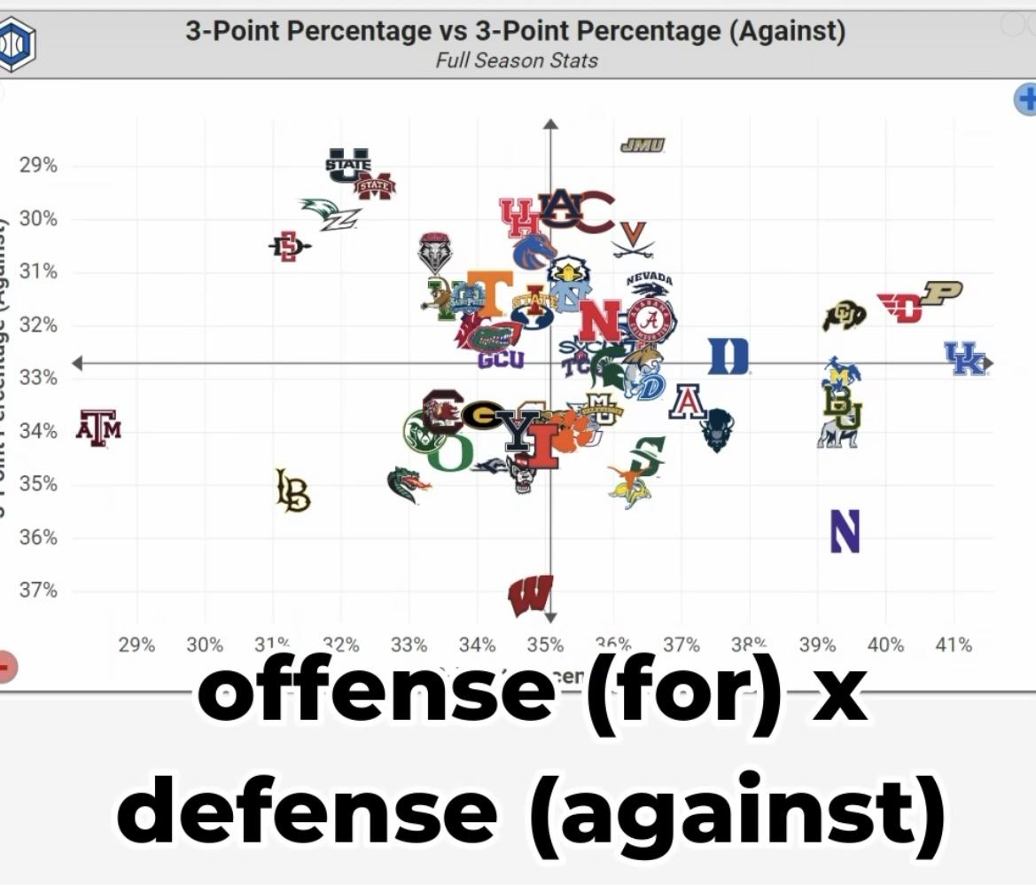
 |  |  | Y- TOs Produced (up is more), X- TOs committed (right is less) |  |  |  |  |  |  |  | 3Pts for, X vs 3Pts against, Y |  |  |  |  |  |  |  | X, pace of play vs Y, NET rating |  |  |  |  |  | Kill shots for, X vs Kill shot allowed, Y |  |  |  |  |  |  | Relative rating, X vs Strength of Opponents, Y

